Figure 6.1
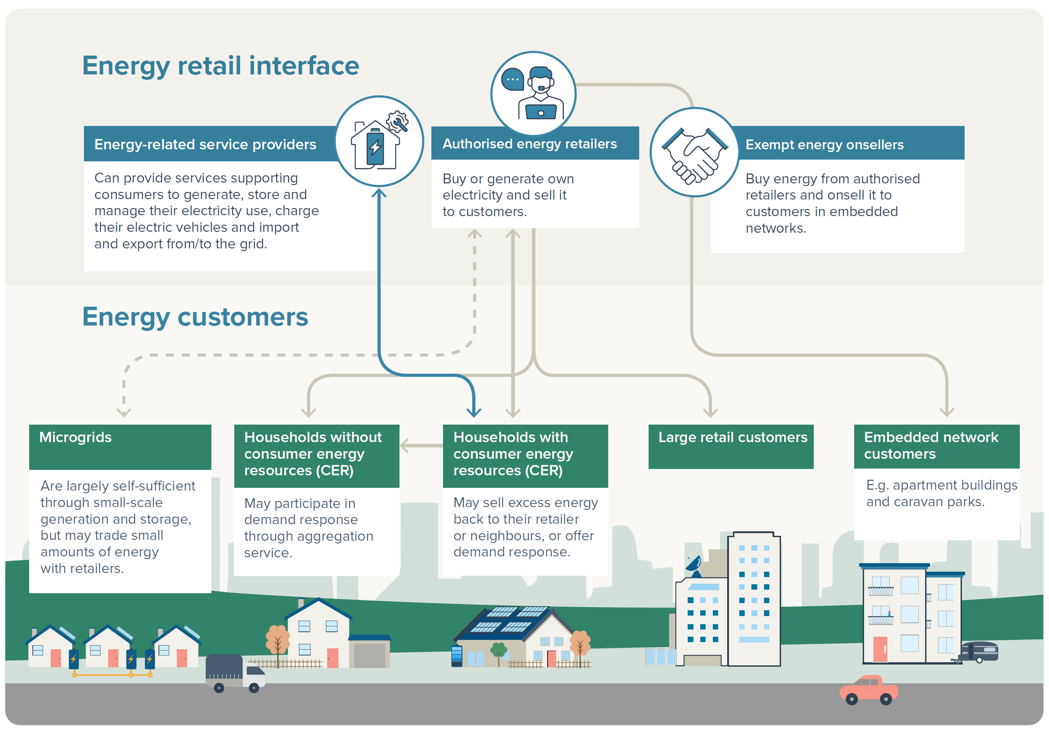
To contents page
Figure 6.1 – Retail electricity market supply chain

Table 6.1
To contents page
Table 6.1 – Key components of a residential electricity bill

Footnote:
589 | Retailers are exposed to financial risk through spot price volatility in wholesale electricity and gas markets. Most retailers manage this financial risk by purchasing hedging contracts that limit part, or all, of the wholesale price they pay. Hedging contracts enable retailers to offer stable prices to consumers, allowing for more predictable energy bills and protecting customers from bearing the risk of potentially volatile wholesale energy prices.
590 | Bad and doubtful debt are instances where customers are not expected to pay their electricity debt.

Cost component | Cost description
Wholesale | Retailers generally charge their customers fixed prices for electricity despite purchasing the electricity at variable prices in the wholesale market. Retailers are exposed to price risk, where they may need to purchase electricity at higher prices than they have agreed to charge their customers. Retailers manage price risk by considering price volatility when setting retail contract prices and by entering into hedge contracts that lock in future wholesale prices for the future.589 Some retailers also own generation assets or enter into demand response contracts to manage risk. Wholesale costs contribute between 33% and 41% of DMO 7 prices that apply in 2025–26.
Network | The AER regulates network charges, which cover the efficient costs of building and operating electricity networks and provide a return to the network service provider’s equity holders (chapter 3). Network costs comprise around 33% to 48% of DMO 7 prices for 2025–26.
Environmental | These are costs associated with environmental schemes at both national and state levels, such as: • Large-scale Renewable Energy Target (LRET), which provides a financial incentive to encourage investment in large‑scale renewable energy generation projects • Small-scale Renewable Energy Scheme (SRES), which provides incentives to households and businesses to invest in small-scale renewable energy systems • jurisdictional green schemes, such as state and territory-based energy efficiency improvements for households and businesses, rebates for customer energy resources and feed-in tariffs for rooftop solar. Most environmental costs relate to complying with the LRET and SRES. These costs are incurred by retailers and passed on to customers. Environmental costs account for 3% to 4% of DMO 7 prices.
Retail | Retail costs include costs of servicing customers, such as: • managing billing systems and bad and doubtful debt590 • handling customer enquiries • complying with regulatory obligations • replacing infrastructure such as upgrading meters (smart meters). They also include customer acquisition and retention costs, such as marketing and other activities to gain or retain customers. Retail costs account for around 11% to 16% of DMO prices for residential customers and 6% to 9% for small business customers.

Table 6.2
To contents page
Table 6.2 – Key components of a residential gas bill

Footnote:
591 | This information has been calculated from the indicative bill impact information submitted by gas DNSPs in their most recent access arrangement proposals.
592 | Australian Government, Network service charges, Department of Climate Change, Energy, the Environment and Water, accessed 4 August 2025.
593 | Oakley Greenwood, Gas price trends review 2017, 29 January 2018.

Pipeline service provider | Location
Wholesale | Retailers purchase wholesale gas to sell to residential customers. The bulk of this is purchased through contracts, generally with terms of around 1 to 2 years, while approximately 10% to 15% is purchased through Short Term Trading Markets (Chapter 4, section 4.2). Purchasing gas through contracts minimises the need to settle gas prices through volatile wholesale gas markets. Wholesale costs can account for approximately 20% to 40% of a customer’s bill depending on region and network expenditure.
Network | Network costs include the costs to operate, upgrade and maintain gas distribution networks that supply homes. Networks, or gas pipelines, are regulated as ‘scheme’ or ‘non-scheme pipelines’ (Chapter 5, Box 5.2). The AER is responsible for determining the form of regulation that applies to a gas pipeline, with a key objective to promote investment in and efficient operation of gas services in the long-term interests of consumers (Chapter 5, section 5.4). Distribution network costs are usually the largest component of a customer’s gas bill, ranging between 23% and 54%.591 However, this can vary significantly over time depending on factors such as the level of peak demand, which is a key driver of investment, and operating and maintenance costs.592
Retail | Retail costs include costs of servicing customers, such as: • managing billing systems and debt • handling customer enquiries • complying with regulatory obligations. They also include customer acquisition and retention costs, such as marketing and other activities to gain or retain customers. Retail costs make up the remainder of residential customers’ bills, at around 20%, on average, depending on the quantum of wholesale and network costs and other factors.593

Table 6.3
To contents page
Table 6.3 – Standing offer electricity price control mechanisms

Source: AER, Default market offer prices 2025–26 – Final determination, Australian Energy Regulator, 26 May 2025; ESC, Victorian Default Offer, Essential Services Commission, accessed 1 May 2025; QCA, Regulated electricity prices for regional Queensland 2025–26, Queensland Competition Authority, accessed 1 May 2025; OTTER, 2025 Standing Offer Investigation and Determination, Office of the Tasmanian Economic Regulator, accessed 1 May 2025; ICRC, Price Regulation of Electricity Supply, Independent Competition and Regulatory Commission, accessed 1 May 2025.

Region | Mechanism | Administrator | Approach
South East Queensland | Default market offer (DMO) | AER | Sets a cap on standing offer electricity prices for residential and small business customers and provides a reference price for comparing offers.
New South Wales
South Australia
Victoria | Victorian default offer (VDO) | Essential Services Commission (ESC) | Sets a cap on standing offer electricity prices for residential and small business customers and provides a reference price for comparing offers.
Regional Queensland | Annual pricing proposal and government subsidy | AER / Queensland Competition Authority (QCA) | Determines an annual regulated electricity price for residential and small business customers. The Queensland Government then subsidises Ergon Energy for the difference between the regulated price and the price customers are charged so that regional customers do not pay more than customers in South East Queensland.
Tasmania | Standing offer price approvals | Office of the Tasmanian Economic Regulator (OTTER) | Sets a cap on standing offer electricity prices for residential and small business customers with a regulated retailer and provides a reference point for comparing offers.
ACT | Price regulation of electricity supply | Independent Competition and Regulatory Commission (ICRC) | Sets a cap on electricity prices for residential and small business customers who buy electricity from the original monopoly energy provider, now authorised retailer, ActewAGL and provides a reference point for customers of other retailers to compare offers.

Figure 6.2
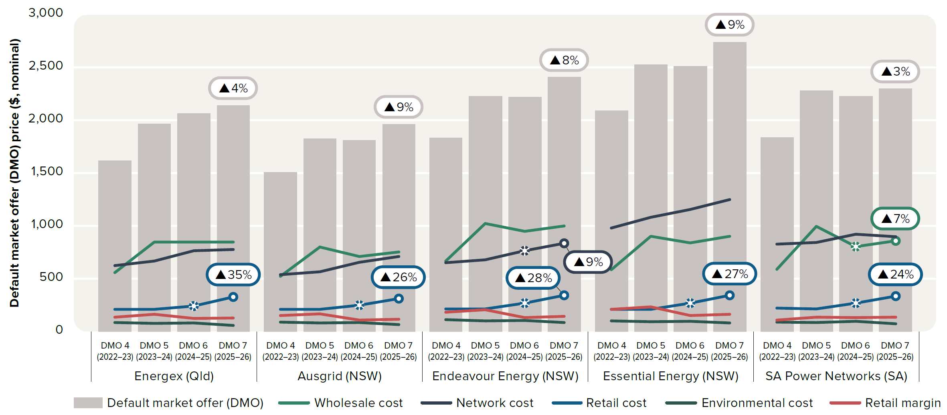
To contents page
Figure 6.2 – Cost components of the default market offer for residential customers without controlled load

Note: Comparison of DMO cost components for residential customers without controlled load. Prices include GST. Values are nominal. The methodology to calculate the retail margin was adjusted in DMO 6 and is not directly comparable to prior years.
Source: AER, Default market offer prices 2025–26, 26 May 2025.

 |  | Energex (Qld) |  |  |  |  | Ausgrid (NSW) |  |  |  |  | Endeavour Energy (NSW) |  |  |  |  | Essential Energy (NSW) |  |  |  |  | SA Power Networks (SA)
 |  | DMO 4 (2022–23) | DMO 5 (2023–24) | DMO 6 (2024–25) | DMO 7 (2025–26) |  | DMO 4 (2022–23) | DMO 5 (2023–24) | DMO 6 (2024–25) | DMO 7 (2025–26) |  | DMO 4 (2022–23) | DMO 5 (2023–24) | DMO 6 (2024–25) | DMO 7 (2025–26) |  | DMO 4 (2022–23) | DMO 5 (2023–24) | DMO 6 (2024–25) | DMO 7 (2025–26) |  | DMO 4 (2022–23) | DMO 5 (2023–24) | DMO 6 (2024–25) | DMO 7 (2025–26)
 | Default market offer (DMO) | $1,620 | $1,969 | $2,066 | $2,143 | $- | $1,512 | $1,827 | $1,810 | $1,965 | $- | $1,836 | $2,228 | $2,223 | $2,411 | $- | $2,092 | $2,527 | $2,513 | $2,741 | $- | $1,840 | $2,279 | $2,230 | $2,301
 | Retail margin | $136 | $165 | $124 | $129 |  | $151 | $170 | $109 | $118 |  | $184 | $207 | $133 | $145 |  | $209 | $235 | $151 | $164 |  | $110 | $137 | $134 | $138
 | Network cost | $627 | $669 | $768 | $778 |  | $538 | $565 | $657 | $712 |  | $654 | $679 | $765 | $837 |  | $980 | $1,083 | $1,155 | $1,249 |  | $827 | $843 | $922 | $897
 | Wholesale cost | $559 | $848 | $848 | $847 |  | $524 | $801 | $712 | $754 |  | $670 | $1,024 | $949 | $998 |  | $587 | $903 | $839 | $903 |  | $592 | $998 | $806 | $859
 | Environmental cost | $87 | $77 | $84 | $60 |  | $89 | $80 | $84 | $68 |  | $112 | $102 | $107 | $87 |  | $103 | $94 | $98 | $80 |  | $90 | $85 | $98 | $72
 | Retail cost | $211 | $209 | $242 | $328 |  | $209 | $211 | $248 | $313 |  | $217 | $217 | $269 | $344 |  | $213 | $212 | $270 | $344 |  | $221 | $217 | $271 | $334

 | Total |  | 22% | 5% | 4% |  |  | 21% | -1% | 9% |  |  | 21% | 0% | 8% |  |  | 21% | -1% | 9% |  |  | 24% | -2% | 3%
 | Network cost |  | 7% | 15% | 1% |  |  | 5% | 16% | 8% |  |  | 4% | 13% | 9% |  |  | 10% | 7% | 8% |  |  | 2% | 9% | -3%
 | Wholesale cost |  | 51.5% | 0.0% | -0.1% |  |  | 52.7% | -11.0% | 5.8% |  |  | 52.9% | -7.3% | 5.2% |  |  | 54% | -7% | 8% |  |  | 69% | -19% | 7%
 | Retail cost |  | -1% | 16% | 35% |  |  | 1% | 18% | 26% |  |  | 0% | 24% | 28% |  |  | 0% | 27% | 27% |  |  | -2% | 25% | 24%

Figure 6.3
To contents page
Figure 6.3 – Estimated electricity bills for residential customers on median market and median standing offers

Note: Prices shown as at the end of the stated period – for example, Jan–Mar is price at 31 March. Default market offer (DMO) applies to electricity retailers in the Energex (Queensland), Ausgrid (NSW), Endeavour Energy (NSW), Essential Energy (NSW) and SA Power Networks (South Australia) distribution zones. Victorian default offer (VDO) applies to electricity retailers in the AusNet Services, CitiPower, Jemena, Powercor and United Energy distribution zones (Victoria). Other distribution zones includes Ergon Energy (Queensland), TasNetworks (Tasmania) and Evoenergy (ACT). Based on single rate offers for residential customers and average consumption in each distribution area. Average consumption for 2023–24 has been applied to all periods. In regions where consumption is typically higher, such as regional NSW (Essential Energy), the average estimated cost is typically higher compared to estimated costs in metropolitan networks. Some offers listed may not be available to all customers in a distribution zone. TasNetworks’ standing offer is not included. Values are nominal.
Source: AER analysis using offer data from Energy Made Easy (AER) and Victorian Energy Compare (Department of Energy, Environment and Climate Action). Consumption based on Economic benchmarking regulatory information notice (RIN) responses.
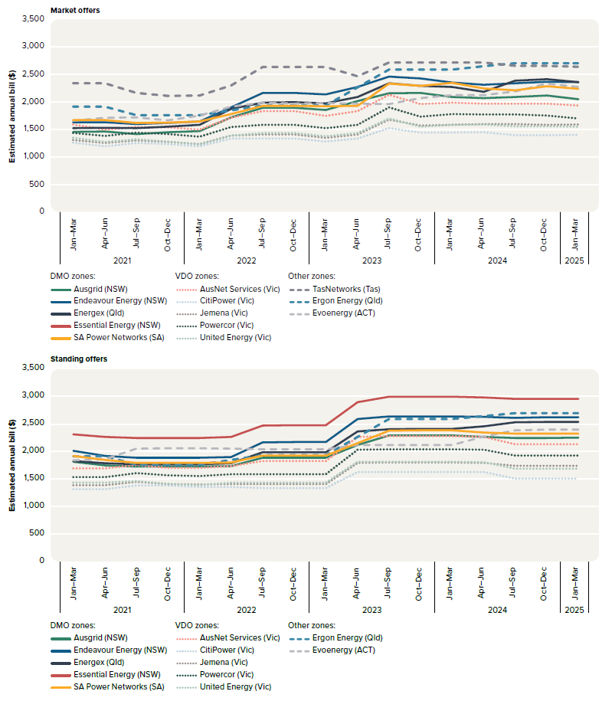
 |  |  | 2021 |  |  |  | 2022 |  |  |  | 2023 |  |  |  | 2024 |  |  |  | 2025
 |  |  | Jan–Mar | Apr–Jun | Jul–Sep | Oct–Dec | Jan–Mar | Apr–Jun | Jul–Sep | Oct–Dec | Jan–Mar | Apr–Jun | Jul–Sep | Oct–Dec | Jan–Mar | Apr–Jun | Jul–Sep | Oct–Dec | Jan–Mar
 | Market offers | Ausgrid (NSW) | 1,457 | 1,459 | 1,415 | 1,450 | 1,471 | 1,720 | 1,890 | 1,890 | 1,852 | 2,011 | 2,156 | 2,159 | 2,085 | 2,065 | 2,090 | 2,114 | 2,050
 |  | AusNet Services (Vic) | 1,588 | 1,495 | 1,545 | 1,539 | 1,496 | 1,711 | 1,829 | 1,829 | 1,742 | 1,829 | 2,131 | 1,960 | 1,989 | 1,966 | 1,964 | 1,964 | 1,932
 |  | CitiPower (Vic) | 1,257 | 1,194 | 1,254 | 1,234 | 1,192 | 1,331 | 1,337 | 1,337 | 1,282 | 1,337 | 1,522 | 1,439 | 1,440 | 1,449 | 1,393 | 1,393 | 1,399
 |  | Endeavour Energy (NSW) | 1,627 | 1,627 | 1,596 | 1,613 | 1,646 | 1,899 | 2,162 | 2,162 | 2,133 | 2,267 | 2,457 | 2,425 | 2,349 | 2,310 | 2,338 | 2,364 | 2,358
 |  | Energex (Qld) | 1,524 | 1,526 | 1,524 | 1,550 | 1,584 | 1,872 | 1,988 | 1,993 | 1,975 | 2,090 | 2,334 | 2,291 | 2,270 | 2,179 | 2,385 | 2,413 | 2,359
 |  | Ergon Energy (Qld) | 1,910 | 1,910 | 1,761 | 1,761 | 1,761 | 1,848 | 1,936 | 1,936 | 1,936 | 2,262 | 2,588 | 2,588 | 2,588 | 2,644 | 2,700 | 2,700 | 2,700
 |  | Essential Energy (NSW) | 1,900 | 1,904 | 1,874 | 1,917 | 1,998 | 2,252 | 2,461 | 2,465 | 2,424 | 2,598 | 2,768 | 2,793 | 2,703 | 2,702 | 2,696 | 2,770 | 2,711
 |  | Evoenergy (ACT) | 1,655 | 1,708 | 1,717 | 1,666 | 1,752 | 1,910 | 1,988 | 1,964 | 1,977 | 1,967 | 1,961 | 2,068 | 2,118 | 2,118 | 2,186 | 2,330 | 2,271
 |  | Jemena (Vic) | 1,307 | 1,254 | 1,297 | 1,273 | 1,232 | 1,390 | 1,408 | 1,408 | 1,349 | 1,408 | 1,680 | 1,567 | 1,584 | 1,599 | 1,595 | 1,582 | 1,590
 |  | Powercor (Vic) | 1,435 | 1,383 | 1,443 | 1,412 | 1,366 | 1,543 | 1,586 | 1,586 | 1,519 | 1,586 | 1,902 | 1,732 | 1,781 | 1,772 | 1,768 | 1,752 | 1,697
 |  | SA Power Networks (SA) | 1,672 | 1,672 | 1,615 | 1,620 | 1,642 | 1,779 | 1,928 | 1,926 | 1,922 | 1,929 | 2,328 | 2,291 | 2,344 | 2,243 | 2,211 | 2,282 | 2,233
 |  | TasNetworks (Tas) | 2,336 | 2,334 | 2,163 | 2,105 | 2,116 | 2,298 | 2,630 | 2,630 | 2,630 | 2,466 | 2,715 | 2,715 | 2,715 | 2,715 | 2,656 | 2,656 | 2,637
 |  | United Energy (Vic) | 1,350 | 1,273 | 1,320 | 1,279 | 1,223 | 1,384 | 1,432 | 1,432 | 1,372 | 1,432 | 1,695 | 1,548 | 1,585 | 1,587 | 1,553 | 1,553 | 1,551

 | Standing offers | Ausgrid (NSW) | 1,811 | 1,748 | 1,724 | 1,724 | 1,724 | 1,734 | 1,885 | 1,889 | 1,889 | 2,117 | 2,293 | 2,291 | 2,291 | 2,268 | 2,243 | 2,243 | 2,252
 |  | AusNet Services (Vic) | 1,691 | 1,691 | 1,751 | 1,700 | 1,700 | 1,736 | 1,829 | 1,829 | 1,829 | 2,268 | 2,279 | 2,279 | 2,279 | 2,268 | 2,135 | 2,135 | 2,135
 |  | Endeavour Energy (NSW) | 2,010 | 1,922 | 1,888 | 1,888 | 1,887 | 1,900 | 2,164 | 2,169 | 2,169 | 2,589 | 2,637 | 2,638 | 2,638 | 2,629 | 2,613 | 2,621 | 2,621
 |  | Energex (Qld) | 1,825 | 1,784 | 1,767 | 1,767 | 1,767 | 1,788 | 1,989 | 1,984 | 1,984 | 2,365 | 2,408 | 2,409 | 2,409 | 2,456 | 2,531 | 2,534 | 2,534
 |  | Ergon Energy (Qld) | 1,910 | 1,910 | 1,761 | 1,761 | 1,761 | 1,848 | 1,936 | 1,936 | 1,936 | 2,262 | 2,588 | 2,588 | 2,588 | 2,644 | 2,700 | 2,700 | 2,700
 |  | Essential Energy (NSW) | 2,314 | 2,262 | 2,245 | 2,245 | 2,243 | 2,264 | 2,470 | 2,476 | 2,476 | 2,897 | 2,996 | 2,996 | 2,996 | 2,980 | 2,959 | 2,959 | 2,959
 |  | Evoenergy (ACT) | 1,838 | 1,862 | 2,050 | 2,058 | 2,056 | 2,050 | 2,039 | 2,039 | 2,039 | 2,116 | 2,120 | 2,118 | 2,118 | 2,269 | 2,384 | 2,395 | 2,395
 |  | Jemena (Vic) | 1,385 | 1,385 | 1,448 | 1,410 | 1,399 | 1,408 | 1,408 | 1,408 | 1,408 | 1,795 | 1,798 | 1,798 | 1,798 | 1,795 | 1,738 | 1,738 | 1,738
 |  | Powercor (Vic) | 1,535 | 1,535 | 1,604 | 1,565 | 1,552 | 1,585 | 1,586 | 1,586 | 1,586 | 2,034 | 2,037 | 2,037 | 2,037 | 2,034 | 1,926 | 1,926 | 1,926
 |  | SA Power Networks (SA) | 1,917 | 1,847 | 1,794 | 1,794 | 1,790 | 1,800 | 1,925 | 1,925 | 1,925 | 2,151 | 2,380 | 2,382 | 2,382 | 2,342 | 2,327 | 2,327 | 2,327
 |  | TasNetworks (Tas) | - | - | - | 2,263 | 2,263 | 2,626 | 2,990 | 2,990 | 2,990 | 2,990 | 2,990 | 2,879 | 2,879 | 2,768 | 2,772 | 2,772 | 2,772
 |  | United Energy (Vic) | 1,431 | 1,431 | 1,464 | 1,412 | 1,390 | 1,432 | 1,432 | 1,432 | 1,432 | 1,810 | 1,813 | 1,813 | 1,813 | 1,807 | 1,688 | 1,688 | 1,688

Figure 6.4
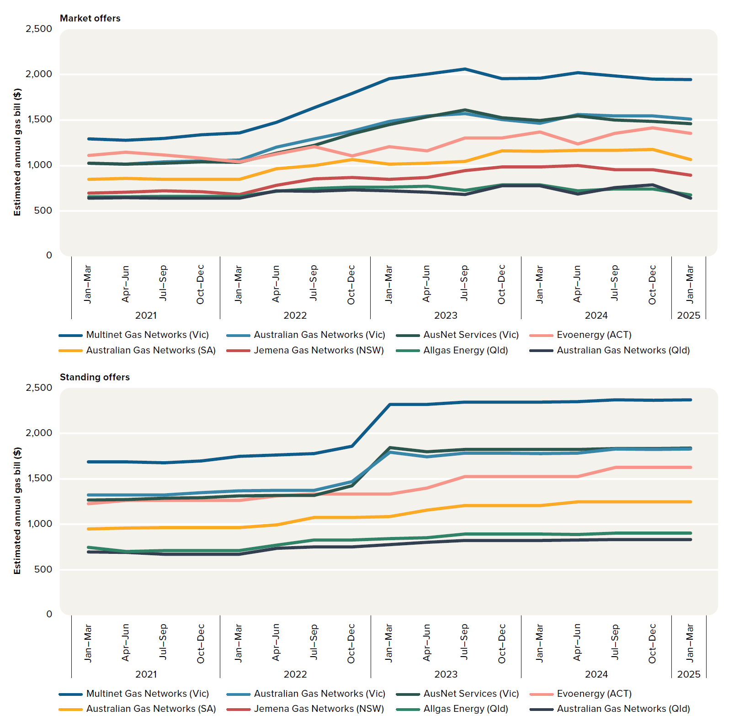
To contents page
Figure 6.4 – Estimated gas bills for residential customers on median market and median standing offers

Note: Based on offers for residential customers and estimated consumption in each jurisdiction. Values are nominal.
Source: AER analysis using offer data from Energy Made Easy (AER) and Victorian Energy Compare (Department of Energy, Environment and Climate Action). Consumption based on Economic benchmarking regulatory information notice (RIN) responses.

 |  |  | 2021 |  |  |  | 2022 |  |  |  | 2023 |  |  |  | 2024 |  |  |  | 2025
 |  |  | Jan–Mar | Apr–Jun | Jul–Sep | Oct–Dec | Jan–Mar | Apr–Jun | Jul–Sep | Oct–Dec | Jan–Mar | Apr–Jun | Jul–Sep | Oct–Dec | Jan–Mar | Apr–Jun | Jul–Sep | Oct–Dec | Jan–Mar
 | Market offers | Evoenergy (ACT) | $1,109 | $1,147 | $1,114 | $1,081 | $1,040 | $1,125 | $1,207 | $1,107 | $1,207 | $1,159 | $1,304 | $1,305 | $1,367 | $1,235 | $1,351 | $1,416 | $1,351
 |  | Jemena Gas Networks (NSW) | $693 | $705 | $722 | $713 | $680 | $781 | $850 | $868 | $846 | $868 | $945 | $983 | $983 | $1,001 | $955 | $955 | $893
 |  | Australian Gas Networks (Qld) | $637 | $643 | $638 | $638 | $638 | $722 | $718 | $730 | $720 | $707 | $681 | $777 | $777 | $685 | $754 | $787 | $637
 |  | Allgas Energy (Qld) | $657 | $657 | $660 | $660 | $660 | $717 | $746 | $759 | $761 | $769 | $727 | $788 | $788 | $719 | $743 | $743 | $675
 |  | Australian Gas Networks (SA) | $847 | $855 | $849 | $849 | $847 | $962 | $997 | $1,067 | $1,013 | $1,023 | $1,043 | $1,161 | $1,158 | $1,164 | $1,168 | $1,176 | $1,063
 |  | AusNet Services (Vic) | $1,026 | $1,015 | $1,026 | $1,042 | $1,034 | $1,134 | $1,220 | $1,349 | $1,448 | $1,537 | $1,614 | $1,524 | $1,497 | $1,544 | $1,501 | $1,488 | $1,461
 |  | Australian Gas Networks (Vic) | $1,023 | $1,015 | $1,037 | $1,052 | $1,061 | $1,200 | $1,291 | $1,379 | $1,486 | $1,548 | $1,572 | $1,506 | $1,463 | $1,560 | $1,546 | $1,546 | $1,513
 |  | Multinet Gas Networks (Vic) | $1,295 | $1,278 | $1,299 | $1,339 | $1,358 | $1,475 | $1,635 | $1,793 | $1,959 | $2,007 | $2,062 | $1,958 | $1,959 | $2,022 | $1,987 | $1,952 | $1,945

 | Standing offers | Evoenergy (ACT) | $1,229 | $1,263 | $1,261 | $1,263 | $1,263 | $1,312 | $1,335 | $1,335 | $1,335 | $1,399 | $1,524 | $1,524 | $1,524 | $1,524 | $1,628 | $1,628 | $1,628
 |  | Jemena Gas Networks (NSW) | $843 | $843 | $838 | $838 | $837 | $898 | $929 | $929 | $955 | $976 | $1,088 | $1,088 | $1,088 | $1,108 | $1,143 | $1,135 | $1,135
 |  | Australian Gas Networks (Qld) | $696 | $689 | $672 | $672 | $672 | $734 | $751 | $751 | $777 | $800 | $821 | $821 | $821 | $827 | $831 | $831 | $831
 |  | Allgas Energy (Qld) | $748 | $698 | $708 | $708 | $708 | $770 | $827 | $827 | $844 | $853 | $891 | $891 | $891 | $888 | $905 | $905 | $905
 |  | Australian Gas Networks (SA) | $949 | $957 | $965 | $965 | $965 | $993 | $1,075 | $1,075 | $1,084 | $1,154 | $1,206 | $1,206 | $1,206 | $1,249 | $1,248 | $1,248 | $1,248
 |  | AusNet Services (Vic) | $1,266 | $1,271 | $1,285 | $1,295 | $1,314 | $1,317 | $1,317 | $1,425 | $1,847 | $1,798 | $1,825 | $1,825 | $1,825 | $1,825 | $1,833 | $1,833 | $1,841
 |  | Australian Gas Networks (Vic) | $1,321 | $1,321 | $1,321 | $1,346 | $1,367 | $1,373 | $1,373 | $1,472 | $1,793 | $1,743 | $1,782 | $1,782 | $1,778 | $1,784 | $1,830 | $1,823 | $1,830
 |  | Multinet Gas Networks (Vic) | $1,687 | $1,687 | $1,680 | $1,697 | $1,749 | $1,762 | $1,777 | $1,858 | $2,323 | $2,319 | $2,346 | $2,347 | $2,344 | $2,354 | $2,370 | $2,367 | $2,370

Figure 6.5
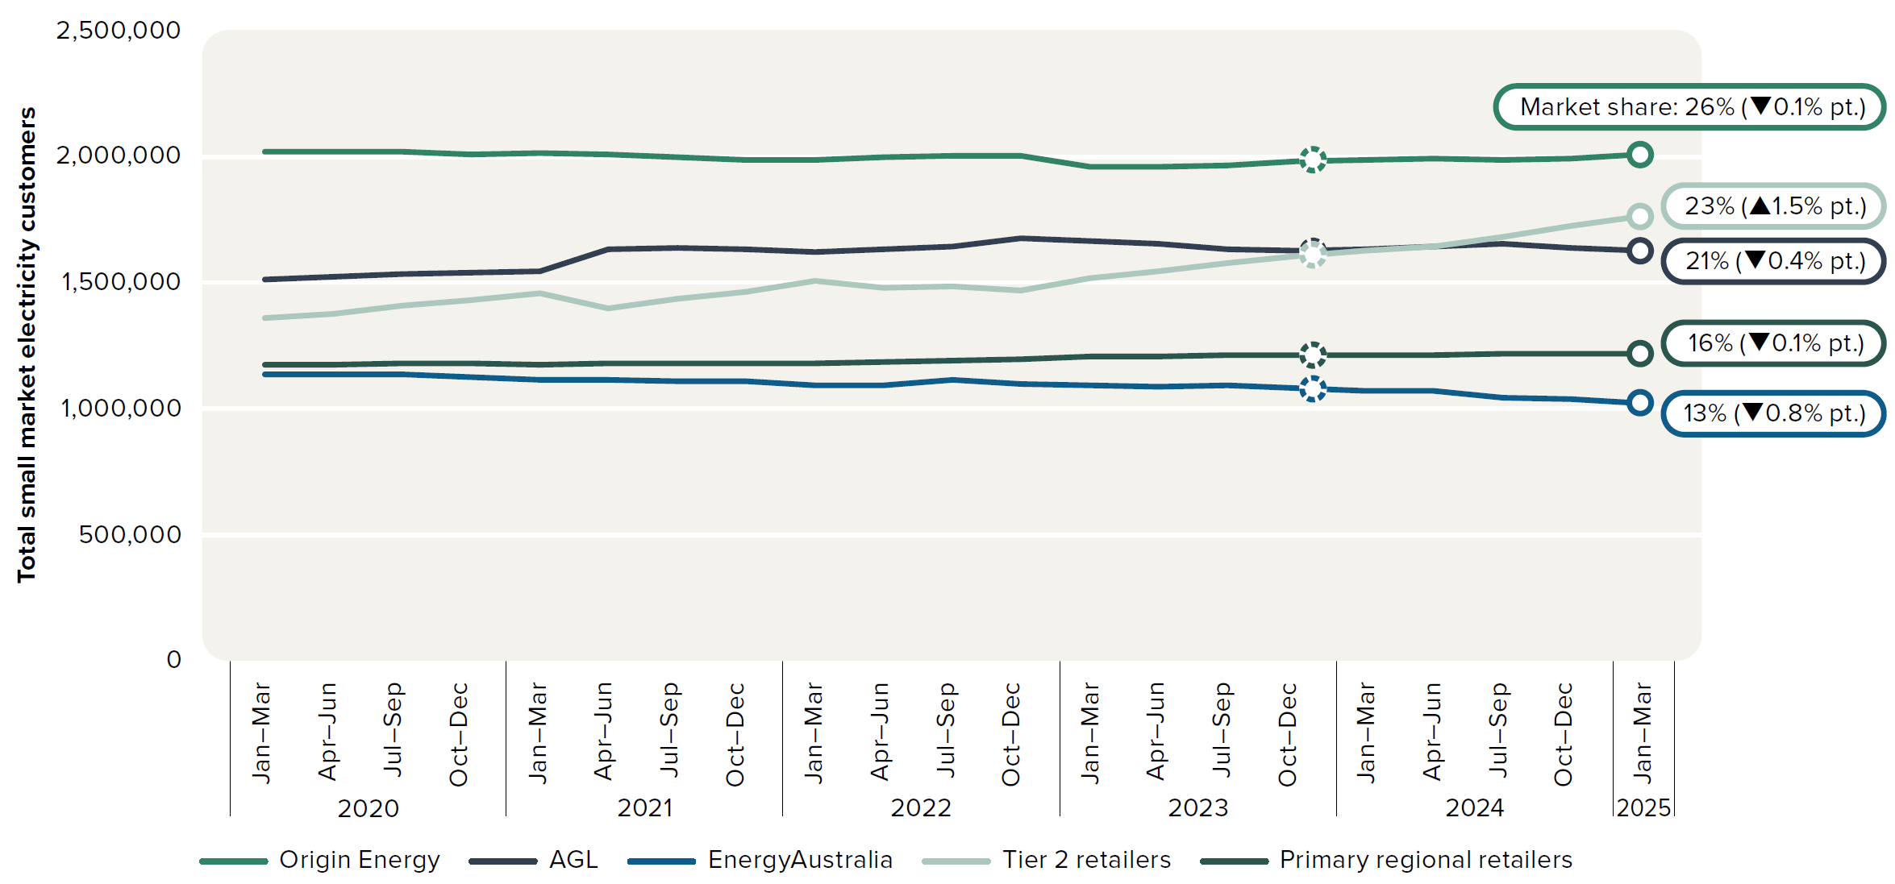
To contents page
Figure 6.5 – Customer numbers - small electricity customers

Note: All data as at 31 March 2025. Data includes customers in Queensland, NSW, South Australia, Tasmania and the ACT. Primary regional retailers include government-owned retailers – Ergon Energy (Queensland), Aurora Energy (Tasmania) and ActewAGL (ACT).
Source: AER, Retail markets quarterly, Q3 2024–25, June 2025.

 |  | 2019 |  | 2020 |  |  |  | 2021 |  |  |  | 2022 |  |  |  | 2023 |  |  |  | 2024 |  |  |  | 2025
 |  | Jul–Sep | Oct–Dec | Jan–Mar | Apr–Jun | Jul–Sep | Oct–Dec | Jan–Mar | Apr–Jun | Jul–Sep | Oct–Dec | Jan–Mar | Apr–Jun | Jul–Sep | Oct–Dec | Jan–Mar | Apr–Jun | Jul–Sep | Oct–Dec | Jan–Mar | Apr–Jun | Jul–Sep | Oct–Dec | Jan–Mar
 | Primary regional retailers | 1,172,360 | 1,170,211 | 1,172,180 | 1,176,646 | 1,179,042 | 1,178,506 | 1,176,353 | 1,177,966 | 1,177,061 | 1,177,519 | 1,179,069 | 1,183,688 | 1,190,120 | 1,197,052 | 1,206,314 | 1,207,342 | 1,209,694 | 1,210,142 | 1,209,687 | 1,213,679 | 1,217,292 | 1,217,073 | 1,215,745
 | Tier 2 retailers | 1,295,134 | 1,332,494 | 1,361,268 | 1,375,545 | 1,410,610 | 1,428,174 | 1,458,731 | 1,399,503 | 1,438,590 | 1,465,733 | 1,507,898 | 1,479,489 | 1,485,045 | 1,470,730 | 1,519,977 | 1,543,310 | 1,579,254 | 1,605,251 | 1,628,032 | 1,645,788 | 1,682,397 | 1,725,448 | 1,763,633
 | AGL | 1,498,403 | 1,504,525 | 1,510,922 | 1,522,708 | 1,535,018 | 1,540,281 | 1,545,867 | 1,633,711 | 1,637,784 | 1,632,504 | 1,618,784 | 1,631,979 | 1,642,980 | 1,678,311 | 1,665,203 | 1,653,924 | 1,634,658 | 1,624,442 | 1,629,984 | 1,640,802 | 1,652,624 | 1,637,036 | 1,625,335
 | EnergyAustralia | 1,157,235 | 1,145,916 | 1,136,917 | 1,134,842 | 1,134,037 | 1,124,240 | 1,112,733 | 1,112,046 | 1,110,041 | 1,106,214 | 1,092,219 | 1,093,520 | 1,112,116 | 1,096,445 | 1,094,219 | 1,085,015 | 1,091,892 | 1,084,111 | 1,072,200 | 1,072,714 | 1,042,911 | 1,035,347 | 1,023,379
 | Origin Energy | 2,021,383 | 2,018,105 | 2,016,660 | 2,021,852 | 2,018,002 | 2,010,423 | 2,013,062 | 2,009,777 | 1,998,171 | 1,988,806 | 1,987,376 | 2,000,216 | 2,000,343 | 2,003,148 | 1,958,646 | 1,958,684 | 1,965,429 | 1,979,480 | 1,987,521 | 1,990,529 | 1,986,644 | 1,994,482 | 2,007,917
 | Total | 7,144,515 | 7,171,251 | 7,197,947 | 7,231,593 | 7,276,709 | 7,281,624 | 7,306,746 | 7,333,003 | 7,361,647 | 7,370,776 | 7,385,346 | 7,388,892 | 7,430,604 | 7,445,686 | 7,444,359 | 7,448,275 | 7,480,927 | 7,503,426 | 7,527,424 | 7,563,512 | 7,581,868 | 7,609,386 | 7,636,009

Figure 6.6
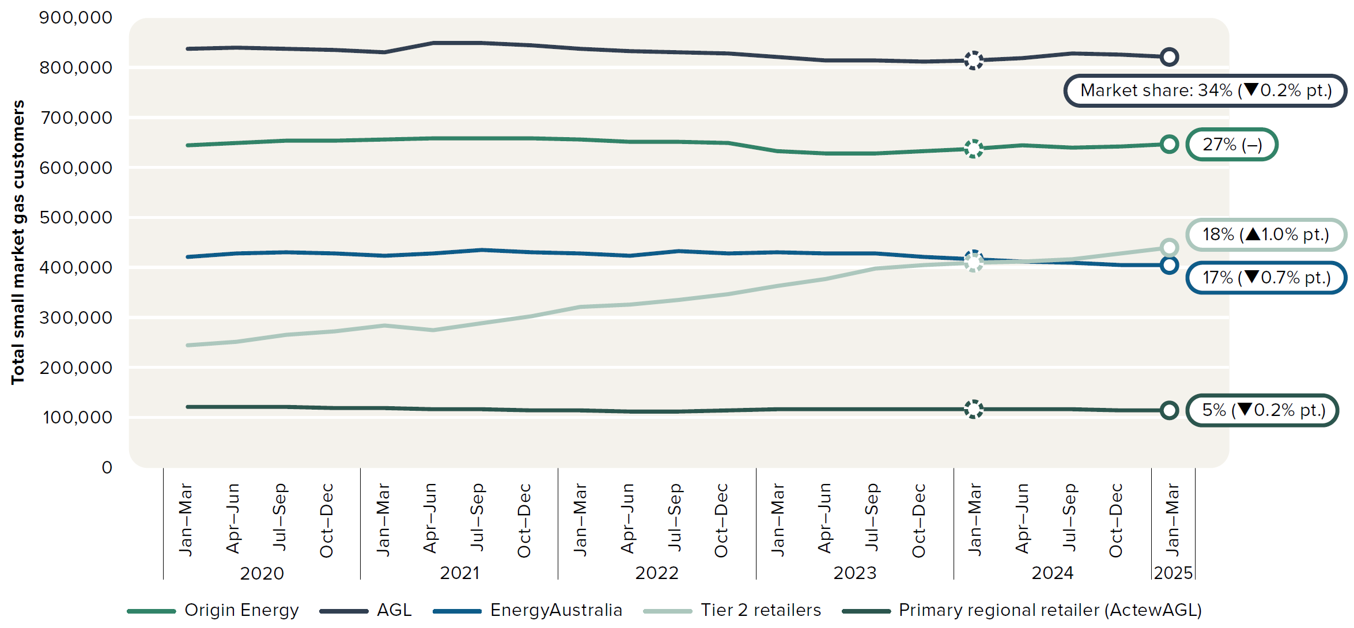
To contents page
Figure 6.6 – Customer numbers - small gas customers

Note: All data as at 31 March 2025. Data includes customers in Queensland, NSW, South Australia and the ACT.
Source: AER, Retail markets quarterly, Q3 2024–25, June 2025.

 |  | 2019 |  | 2020 |  |  |  | 2021 |  |  |  | 2022 |  |  |  | 2023 |  |  |  | 2024 |  |  |  | 2025
 |  | Jul–Sep | Oct–Dec | Jan–Mar | Apr–Jun | Jul–Sep | Oct–Dec | Jan–Mar | Apr–Jun | Jul–Sep | Oct–Dec | Jan–Mar | Apr–Jun | Jul–Sep | Oct–Dec | Jan–Mar | Apr–Jun | Jul–Sep | Oct–Dec | Jan–Mar | Apr–Jun | Jul–Sep | Oct–Dec | Jan–Mar
 | Primary regional retailer (ActewAGL) | 122,840 | 122,011 | 121,659 | 121,294 | 121,029 | 119,693 | 118,943 | 118,304 | 116,760 | 115,504 | 113,886 | 113,080 | 113,693 | 114,577 | 116,659 | 117,847 | 118,103 | 117,248 | 117,395 | 117,224 | 116,142 | 114,800 | 113,933
 | Tier 2 retailers | 226,665 | 236,218 | 244,785 | 252,191 | 266,261 | 272,849 | 285,650 | 274,511 | 290,325 | 302,285 | 321,570 | 326,510 | 335,661 | 346,731 | 363,776 | 378,727 | 397,923 | 405,316 | 409,422 | 412,670 | 417,216 | 428,964 | 439,880
 | AGL | 841,409 | 839,462 | 837,445 | 840,252 | 838,272 | 834,742 | 829,890 | 848,906 | 850,010 | 845,018 | 839,026 | 832,628 | 830,655 | 827,879 | 820,620 | 815,172 | 815,060 | 813,279 | 815,253 | 819,279 | 828,873 | 825,329 | 821,861
 | EnergyAustralia | 427,401 | 426,731 | 422,708 | 429,502 | 430,962 | 428,513 | 425,021 | 428,126 | 436,102 | 430,139 | 427,779 | 424,881 | 433,179 | 429,293 | 431,097 | 429,327 | 429,537 | 422,250 | 416,701 | 412,959 | 410,194 | 404,587 | 404,788
 | Origin Energy | 634,881 | 638,558 | 644,655 | 649,989 | 654,830 | 653,906 | 656,217 | 658,003 | 659,064 | 658,008 | 656,341 | 651,521 | 651,617 | 650,263 | 633,573 | 628,072 | 628,025 | 632,504 | 638,801 | 644,060 | 639,701 | 641,562 | 647,603
 | Total | 2,253,196 | 2,262,980 | 2,271,252 | 2,293,228 | 2,311,354 | 2,309,703 | 2,315,721 | 2,327,850 | 2,352,261 | 2,350,954 | 2,358,602 | 2,348,620 | 2,364,805 | 2,368,743 | 2,365,725 | 2,369,145 | 2,388,648 | 2,390,597 | 2,397,572 | 2,406,192 | 2,412,126 | 2,415,242 | 2,428,065

Figure 6.7
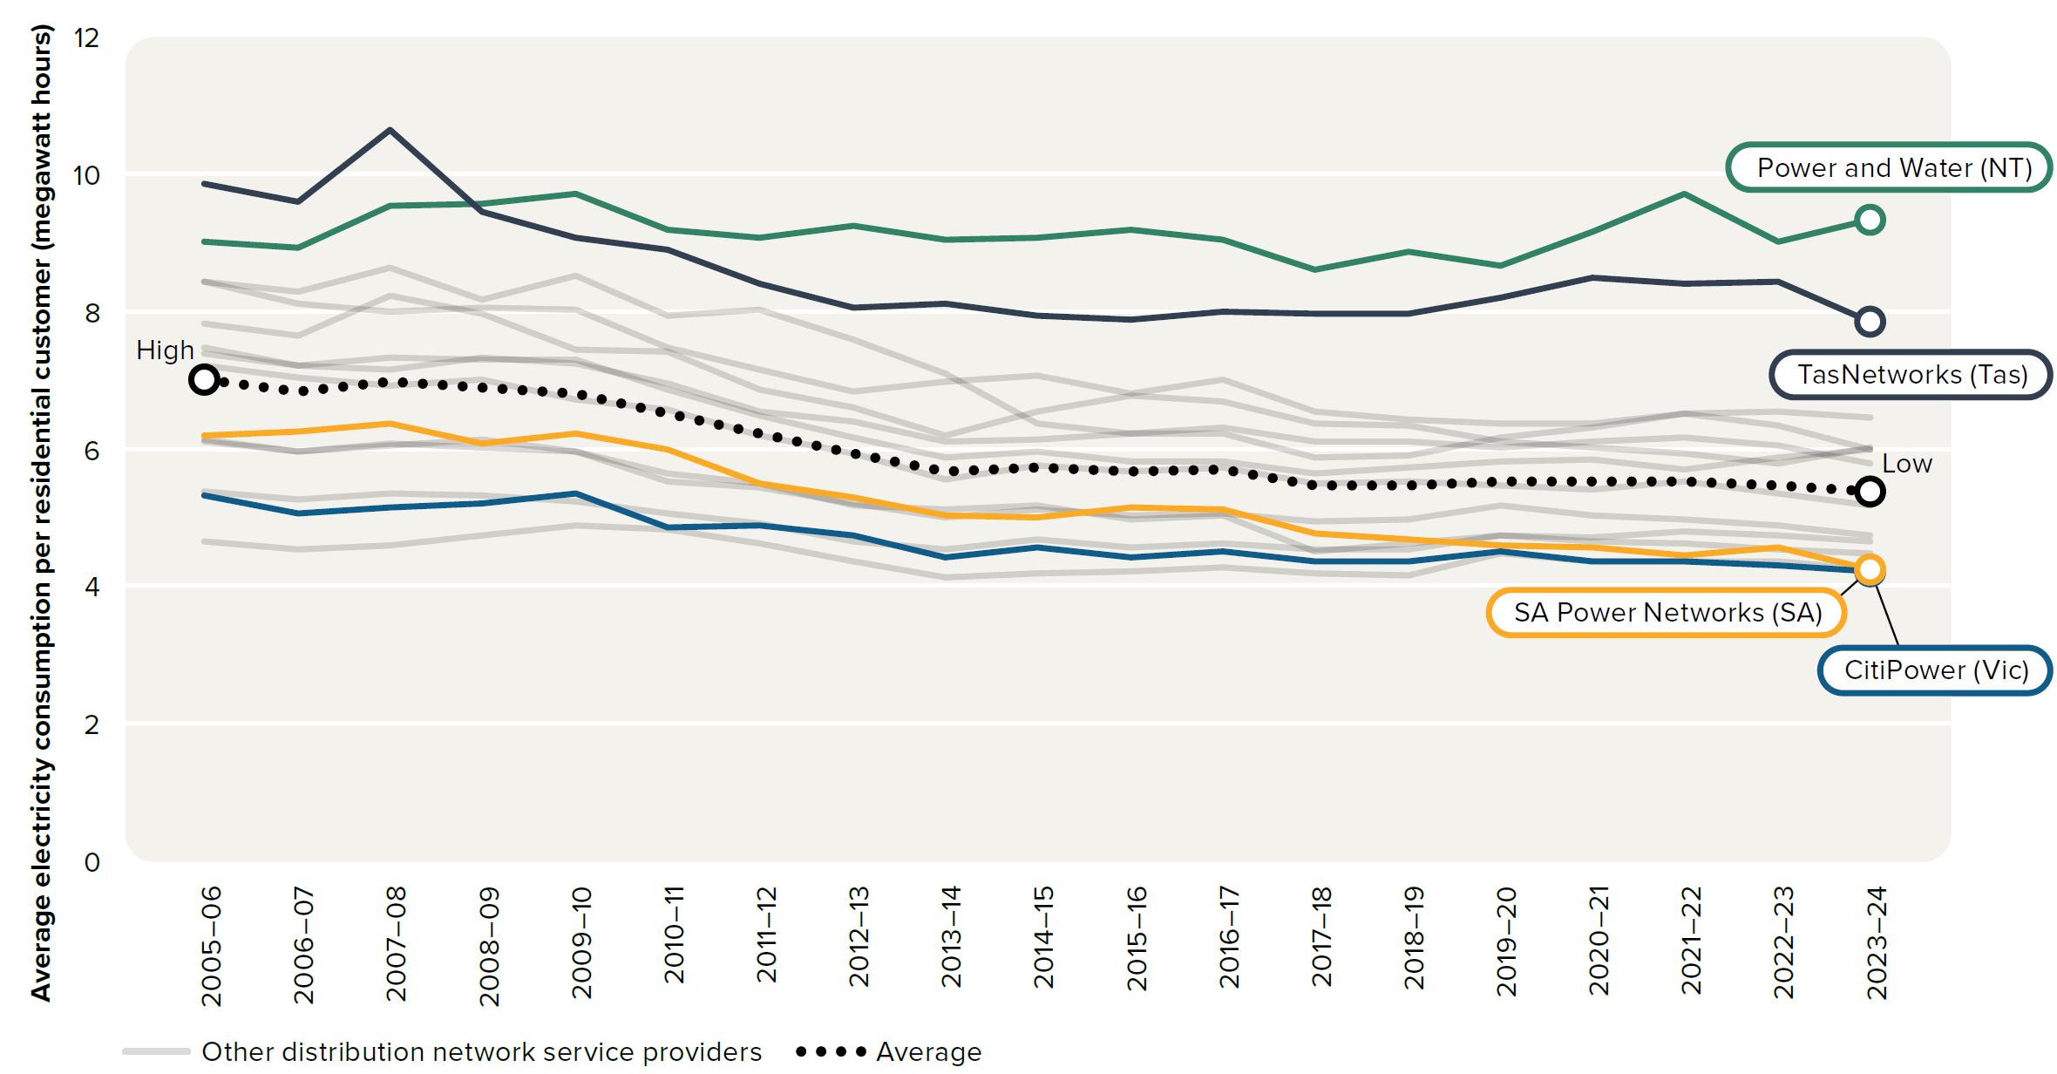
To contents page
Figure 6.7 – Average electricity consumption per residential distribution network customer

Source: Economic benchmarking regulatory information notice (RIN) responses.

 |  | 2005–06 | 2006–07 | 2007–08 | 2008–09 | 2009–10 | 2010–11 | 2011–12 | 2012–13 | 2013–14 | 2014–15 | 2015–16 | 2016–17 | 2017–18 | 2018–19 | 2019–20 | 2020–21 | 2021–22 | 2022–23 | 2023–24
Other distribution network service providers | Ausgrid (NSW) | 7 MWh | 7 MWh | 7 MWh | 7 MWh | 7 MWh | 7 MWh | 6 MWh | 6 MWh | 6 MWh | 6 MWh | 6 MWh | 6 MWh | 5 MWh | 6 MWh | 5 MWh | 5 MWh | 6 MWh | 5 MWh | 5 MWh
Other distribution network service providers | AusNet Services (Vic) | 6 MWh | 6 MWh | 6 MWh | 6 MWh | 6 MWh | 6 MWh | 5 MWh | 5 MWh | 5 MWh | 5 MWh | 5 MWh | 5 MWh | 5 MWh | 5 MWh | 5 MWh | 5 MWh | 5 MWh | 5 MWh | 5 MWh
CitiPower (Vic) | CitiPower (Vic) | 5 MWh | 5 MWh | 5 MWh | 5 MWh | 5 MWh | 5 MWh | 5 MWh | 5 MWh | 4 MWh | 5 MWh | 4 MWh | 5 MWh | 4 MWh | 4 MWh | 4 MWh | 4 MWh | 4 MWh | 4 MWh | 4 MWh
Other distribution network service providers | Endeavour Energy (NSW) | 8 MWh | 8 MWh | 8 MWh | 8 MWh | 7 MWh | 7 MWh | 7 MWh | 7 MWh | 6 MWh | 7 MWh | 7 MWh | 7 MWh | 6 MWh | 6 MWh | 6 MWh | 6 MWh | 6 MWh | 6 MWh | 6 MWh
Other distribution network service providers | Energex (Qld) | 7 MWh | 7 MWh | 7 MWh | 7 MWh | 7 MWh | 7 MWh | 6 MWh | 6 MWh | 6 MWh | 6 MWh | 6 MWh | 6 MWh | 6 MWh | 6 MWh | 6 MWh | 6 MWh | 6 MWh | 6 MWh | 6 MWh
Other distribution network service providers | Ergon Energy (Qld) | 8 MWh | 8 MWh | 9 MWh | 8 MWh | 9 MWh | 8 MWh | 8 MWh | 8 MWh | 7 MWh | 6 MWh | 6 MWh | 6 MWh | 6 MWh | 6 MWh | 6 MWh | 6 MWh | 6 MWh | 7 MWh | 6 MWh
Other distribution network service providers | Essential Energy (NSW) | 7 MWh | 7 MWh | 7 MWh | 7 MWh | 7 MWh | 7 MWh | 7 MWh | 6 MWh | 6 MWh | 6 MWh | 6 MWh | 6 MWh | 6 MWh | 6 MWh | 6 MWh | 6 MWh | 6 MWh | 6 MWh | 6 MWh
Other distribution network service providers | Evoenergy (ACT) | 8 MWh | 8 MWh | 8 MWh | 8 MWh | 8 MWh | 7 MWh | 7 MWh | 7 MWh | 7 MWh | 7 MWh | 7 MWh | 7 MWh | 7 MWh | 6 MWh | 6 MWh | 6 MWh | 6 MWh | 6 MWh | 6 MWh
Other distribution network service providers | Jemena (Vic) | 5 MWh | 5 MWh | 5 MWh | 5 MWh | 5 MWh | 5 MWh | 5 MWh | 4 MWh | 4 MWh | 4 MWh | 4 MWh | 4 MWh | 4 MWh | 4 MWh | 4 MWh | 4 MWh | 4 MWh | 4 MWh | 4 MWh
Power and Water (NT) | Power and Water (NT) | 9 MWh | 9 MWh | 10 MWh | 10 MWh | 10 MWh | 9 MWh | 9 MWh | 9 MWh | 9 MWh | 9 MWh | 9 MWh | 9 MWh | 9 MWh | 9 MWh | 9 MWh | 9 MWh | 10 MWh | 9 MWh | 9 MWh
Other distribution network service providers | Powercor (Vic) | 6 MWh | 6 MWh | 6 MWh | 6 MWh | 6 MWh | 6 MWh | 5 MWh | 5 MWh | 5 MWh | 5 MWh | 5 MWh | 5 MWh | 5 MWh | 5 MWh | 5 MWh | 5 MWh | 5 MWh | 5 MWh | 5 MWh
SA Power Networks (SA) | SA Power Networks (SA) | 6 MWh | 6 MWh | 6 MWh | 6 MWh | 6 MWh | 6 MWh | 5 MWh | 5 MWh | 5 MWh | 5 MWh | 5 MWh | 5 MWh | 5 MWh | 5 MWh | 5 MWh | 5 MWh | 4 MWh | 5 MWh | 4 MWh
TasNetworks (Tas) | TasNetworks (Tas) | 10 MWh | 10 MWh | 11 MWh | 9 MWh | 9 MWh | 9 MWh | 8 MWh | 8 MWh | 8 MWh | 8 MWh | 8 MWh | 8 MWh | 8 MWh | 8 MWh | 8 MWh | 8 MWh | 8 MWh | 8 MWh | 8 MWh
Other distribution network service providers | United Energy (Vic) | 5 MWh | 5 MWh | 5 MWh | 5 MWh | 5 MWh | 5 MWh | 5 MWh | 5 MWh | 5 MWh | 5 MWh | 5 MWh | 5 MWh | 5 MWh | 5 MWh | 5 MWh | 5 MWh | 5 MWh | 5 MWh | 4 MWh
Average | Average | 7 MWh | 7 MWh | 7 MWh | 7 MWh | 7 MWh | 7 MWh | 6 MWh | 6 MWh | 6 MWh | 6 MWh | 6 MWh | 6 MWh | 5 MWh | 5 MWh | 6 MWh | 6 MWh | 6 MWh | 5 MWh | 5 MWh

Figure 6.8
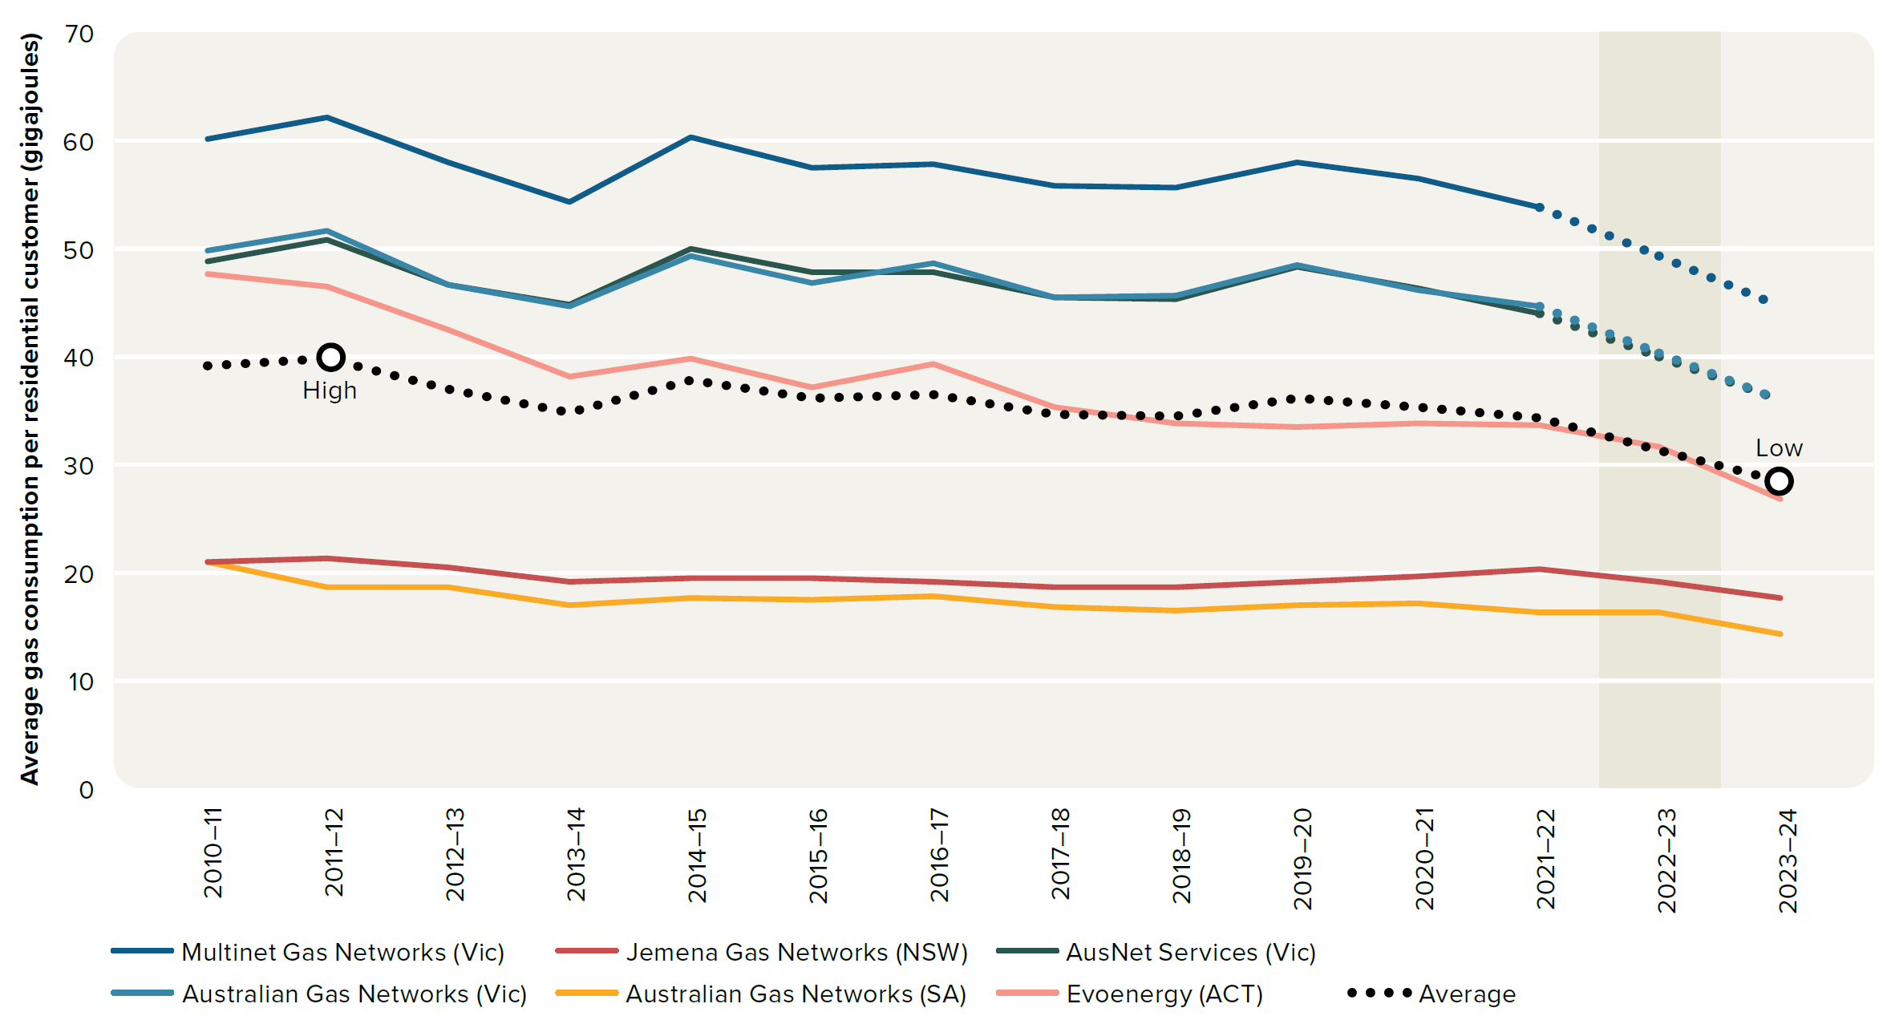
To contents page
Figure 6.8 – Average gas consumption per residential distribution pipeline customer

Source: Annual regulatory information notice (RIN) responses.

 |  | 2010–11 | 2011–12 | 2012–13 | 2013–14 | 2014–15 | 2015–16 | 2016–17 | 2017–18 | 2018–19 | 2019–20 | 2020–21 | 2021–22 | 2022–23 | 2023–24
Other distribution pipeline service providers | Evoenergy (ACT) | 48 GJ | 46 GJ | 42 GJ | 38 GJ | 40 GJ | 37 GJ | 39 GJ | 35 GJ | 34 GJ | 33 GJ | 34 GJ | 34 GJ | 32 GJ | 27 GJ
Multinet Gas Networks (Vic) | Multinet Gas Networks (Vic) | 60 GJ | 62 GJ | 58 GJ | 54 GJ | 60 GJ | 57 GJ | 58 GJ | 56 GJ | 56 GJ | 58 GJ | 56 GJ | 54 GJ | 49 GJ | 45 GJ
Australian Gas Networks (SA) | Australian Gas Networks (SA) | 21 GJ | 19 GJ | 19 GJ | 17 GJ | 18 GJ | 18 GJ | 18 GJ | 17 GJ | 16 GJ | 17 GJ | 17 GJ | 16 GJ | 16 GJ | 14 GJ
Other distribution pipeline service providers | AusNet Services (Vic) | 49 GJ | 51 GJ | 47 GJ | 45 GJ | 50 GJ | 48 GJ | 48 GJ | 45 GJ | 45 GJ | 48 GJ | 46 GJ | 44 GJ | 40 GJ | 36 GJ
Other distribution pipeline service providers | Australian Gas Networks (Vic) | 50 GJ | 52 GJ | 47 GJ | 45 GJ | 49 GJ | 47 GJ | 49 GJ | 45 GJ | 46 GJ | 49 GJ | 46 GJ | 45 GJ | 40 GJ | 36 GJ
Other distribution pipeline service providers | Jemena Gas Networks (NSW) | 21 GJ | 21 GJ | 20 GJ | 19 GJ | 19 GJ | 19 GJ | 19 GJ | 19 GJ | 19 GJ | 19 GJ | 20 GJ | 20 GJ | 19 GJ | 18 GJ
National average | Average | 39 GJ | 40 GJ | 37 GJ | 35 GJ | 38 GJ | 36 GJ | 36 GJ | 35 GJ | 34 GJ | 36 GJ | 35 GJ | 34 GJ | 31 GJ | 28 GJ
 | 2022-23 data not available for Victorian pipeline service providers |  |  |  |  |  |  |  |  |  |  |  |  | 70

Figure 6.9
To contents page
Figure 6.9 – Affordability of median market offers

Note: Based on offers for residential customers in each jurisdiction. Average household consumption for the financial year ending June of each period was used in annual bill calculations. Proportion refers to mean disposable income. Use of average incomes across jurisdictions may overstate affordability in regional areas, where average incomes are typically lower than across the jurisdiction more broadly.
Source: Offer data from Energy Made Easy (AER) and Victorian Energy Compare (Department of Energy, Environment and Climate Action). Consumption estimates based on Economic benchmarking regulatory information notice (RIN). Income data are unpublished Australian Bureau of Statistics (ABS) estimates of household disposable income.

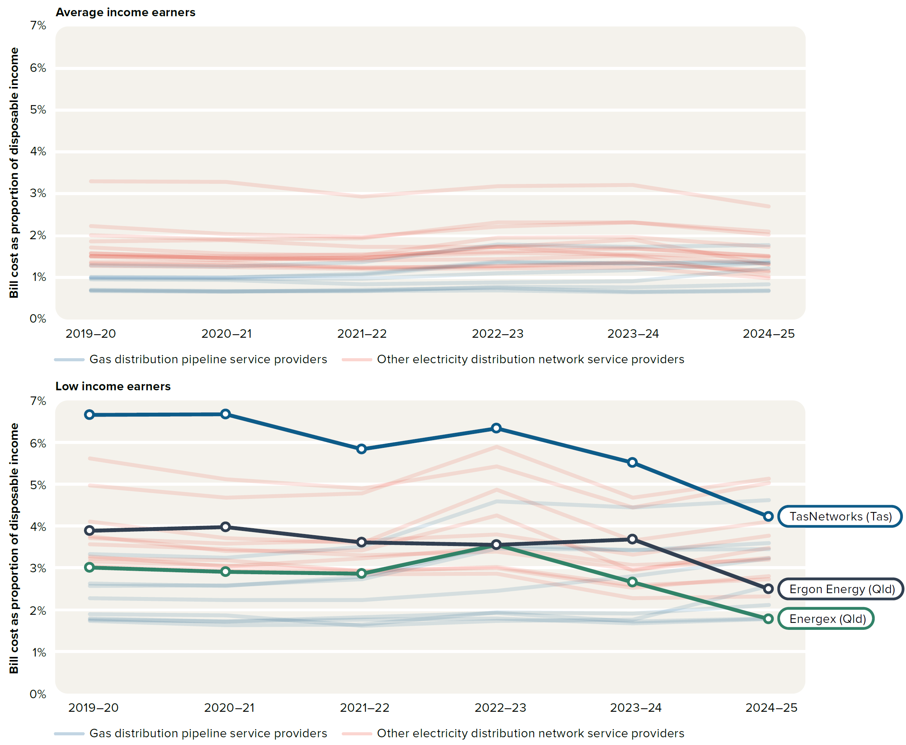
 |  |  |  | 2019–20 | 2020–21 | 2021–22 | 2022–23 | 2023–24 | 2024–25
 | Average income earners | Electricity distribution network service provider | Energex (Qld) | 1.5% | 1.5% | 1.4% | 1.7% | 1.5% | 1.0%
 |  | Electricity distribution network service provider | Ergon Energy (Qld) | 1.9% | 1.9% | 1.7% | 1.7% | 1.9% | 1.3%
 |  | Electricity distribution network service provider | Ausgrid (NSW) | 1.6% | 1.5% | 1.5% | 1.7% | 1.7% | 1.5%
 |  | Electricity distribution network service provider | Endeavour Energy (NSW) | 1.7% | 1.6% | 1.5% | 2.0% | 2.0% | 1.7%
 |  | Electricity distribution network service provider | Essential Energy (NSW) | 2.0% | 1.9% | 1.9% | 2.3% | 2.3% | 2.1%
 |  | Electricity distribution network service provider | Evoenergy (ACT) | 1.5% | 1.4% | 1.5% | 1.6% | 1.6% | 1.5%
 |  | Electricity distribution network service provider | SA Power Networks (SA) | 2.2% | 2.0% | 2.0% | 2.2% | 2.3% | 2.0%
 |  | Electricity distribution network service provider | TasNetworks (Tas) | 3.3% | 3.3% | 2.9% | 3.2% | 3.2% | 2.7%
 |  | Electricity distribution network service provider | AusNet Services (Vic) | 1.6% | 1.5% | 1.6% | 1.6% | 1.7% | 1.5%
 |  | Electricity distribution network service provider | CitiPower (Vic) | 1.3% | 1.2% | 1.2% | 1.2% | 1.2% | 1.0%
 |  | Electricity distribution network service provider | Jemena (Vic) | 1.3% | 1.3% | 1.2% | 1.3% | 1.3% | 1.2%
 |  | Electricity distribution network service provider | Powercor (Vic) | 1.5% | 1.5% | 1.4% | 1.4% | 1.5% | 1.3%
 |  | Electricity distribution network service provider | United Energy (Vic) | 1.4% | 1.3% | 1.2% | 1.3% | 1.4% | 1.1%
 |  | Gas distribution pipeline service provider | Jemena Gas Networks (NSW) | 0.7% | 0.7% | 0.7% | 0.8% | 0.8% | 0.8%
 |  | Gas distribution pipeline service provider | Evoenergy (ACT) | 1.0% | 0.9% | 0.8% | 0.9% | 0.9% | 1.2%
 |  | Gas distribution pipeline service provider | AusNet Services (Vic) | 1.0% | 1.0% | 1.1% | 1.4% | 1.3% | 1.3%
 |  | Gas distribution pipeline service provider | Australian Gas Networks (Vic) | 1.0% | 1.0% | 1.1% | 1.4% | 1.3% | 1.4%
 |  | Gas distribution pipeline service provider | Multinet Gas Networks (Vic) | 1.3% | 1.3% | 1.4% | 1.8% | 1.7% | 1.8%
 |  | Gas distribution pipeline service provider | Australian Gas Networks (SA) | 1.0% | 1.0% | 1.0% | 1.1% | 1.2% | 1.3%
 |  | Gas distribution pipeline service provider | Australian Gas Networks (Qld) | 0.7% | 0.7% | 0.7% | 0.7% | 0.6% | 0.7%
 |  | Gas distribution pipeline service provider | Allgas Energy (Qld) | 0.7% | 0.7% | 0.7% | 0.7% | 0.7% | 0.7%

 | Low income earners | Energex (Qld) | Energex (Qld) | 3.0% | 2.9% | 2.9% | 3.5% | 2.7% | 1.8% | 10%
 |  | Ergon Energy (Qld) | Ergon Energy (Qld) | 3.9% | 4.0% | 3.6% | 3.5% | 3.7% | 2.5%
 |  | Other electricity distribution network service provider | Ausgrid (NSW) | 3.8% | 3.4% | 3.4% | 4.3% | 2.9% | 3.5%
 |  | Other electricity distribution network service provider | Endeavour Energy (NSW) | 4.1% | 3.7% | 3.6% | 4.9% | 3.7% | 4.1%
 |  | Other electricity distribution network service provider | Essential Energy (NSW) | 5.0% | 4.7% | 4.8% | 5.9% | 4.7% | 5.1%
 |  | Other electricity distribution network service provider | Evoenergy (ACT) | 3.3% | 3.0% | 3.2% | 3.5% | 3.1% | 3.2%
 |  | Other electricity distribution network service provider | SA Power Networks (SA) | 5.6% | 5.1% | 4.9% | 5.4% | 4.4% | 5.0%
 |  | TasNetworks (Tas) | TasNetworks (Tas) | 6.7% | 6.7% | 5.8% | 6.3% | 5.5% | 4.2%
 |  | Other electricity distribution network service provider | AusNet Services (Vic) | 3.7% | 3.6% | 3.6% | 3.8% | 3.3% | 3.8%
 |  | Other electricity distribution network service provider | CitiPower (Vic) | 3.0% | 3.0% | 2.8% | 2.9% | 2.3% | 2.3%
 |  | Other electricity distribution network service provider | Jemena (Vic) | 3.2% | 3.1% | 2.9% | 3.0% | 2.5% | 2.8%
 |  | Other electricity distribution network service provider | Powercor (Vic) | 3.6% | 3.4% | 3.3% | 3.4% | 3.0% | 3.2%
 |  | Other electricity distribution network service provider | United Energy (Vic) | 3.2% | 3.2% | 2.9% | 3.0% | 2.6% | 2.7%
 |  | Gas distribution network service providers | Jemena Gas Networks (NSW) | 1.7% | 1.6% | 1.6% | 1.9% | 1.9% | 2.1%
 |  | Gas distribution network service providers | Evoenergy (ACT) | 1.9% | 1.9% | 1.6% | 1.7% | 1.8% | 2.6%
 |  | Gas distribution network service providers | AusNet Services (Vic) | 2.6% | 2.6% | 2.7% | 3.5% | 3.4% | 3.4%
 |  | Gas distribution network service providers | Australian Gas Networks (Vic) | 2.6% | 2.6% | 2.8% | 3.6% | 3.4% | 3.6%
 |  | Gas distribution network service providers | Multinet Gas Networks (Vic) | 3.3% | 3.2% | 3.5% | 4.6% | 4.4% | 4.6%
 |  | Gas distribution network service providers | Australian Gas Networks (SA) | 2.3% | 2.2% | 2.2% | 2.4% | 2.8% | 3.2%
 |  | Gas distribution network service providers | Australian Gas Networks (Qld) | 1.8% | 1.7% | 1.8% | 1.8% | 1.7% | 1.8%
 |  | Gas distribution network service providers | Allgas Energy (Qld) | 1.8% | 1.7% | 1.8% | 1.9% | 1.7% | 1.8%

Figure 6.10
To contents page
Figure 6.10 – Typical energy cost savings if a household electrified today

Note: All data shown in June 2025 dollars. Data are estimates based the AEMC’s Residential electricity price trend 2024 report. Reflects a household with annual electricity consumption of 3,900 kilowatt hours.
Source: AEMC, Residential electricity price trend 2024 report, 28 November 2024, accessed 16 July 2025, p. 19.

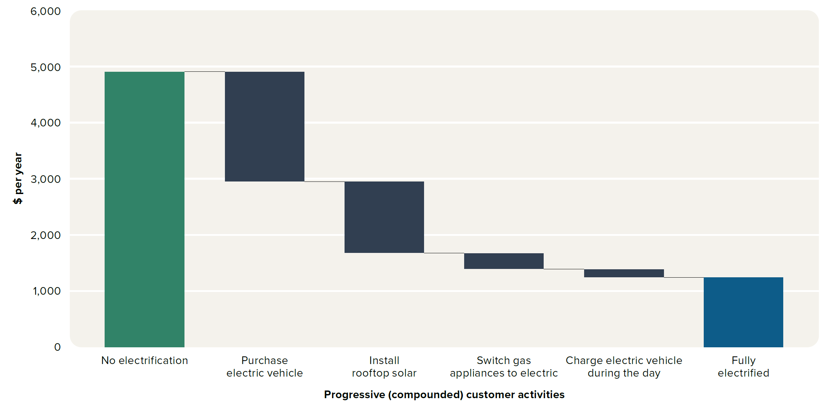
 | No electrification | 4935.00
 | Purchase electric vehicle | -1965.00
 | Install rooftop solar | -1275.00
 | Switch gas appliances to electric | -290.00
 | Charge electric vehicle during the day | -150.00
 | Fully electrified | 1255.00

Figure 6.11
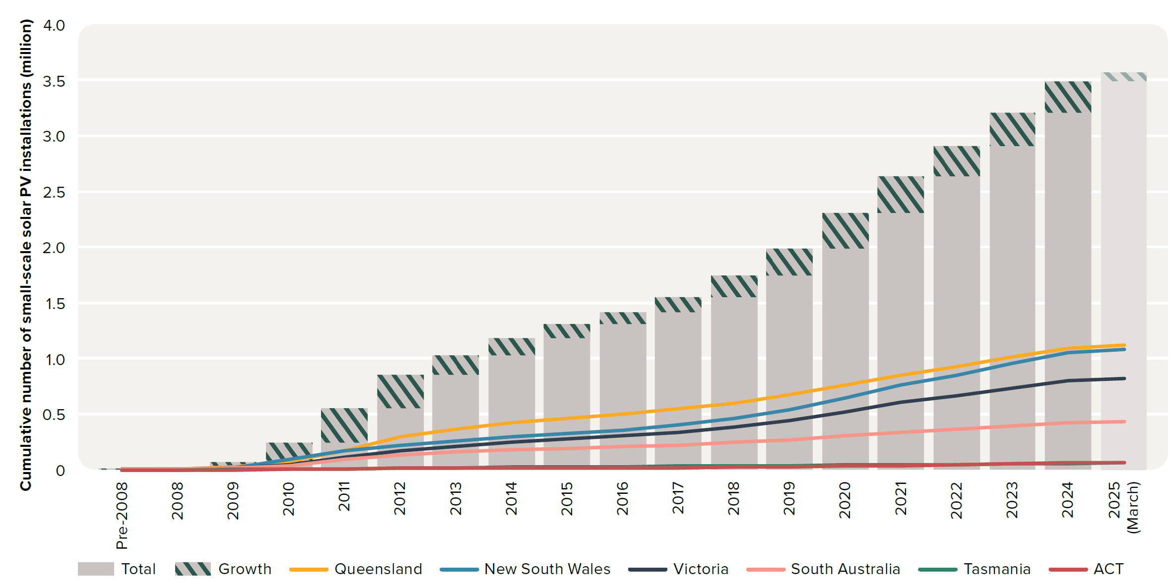
To contents page
Figure 6.11 – Small-scale solar PV installations across the NEM

Note: Small-scale generation units have a capacity of no more than 100 kilowatts and a total annual electricity output of less than 250 megawatt hours.
Source: Clean Energy Regulator, Postcode data for small-scale installations, data as at 16 June 2025.

 |  | Pre-2008 | 2008 | 2009 | 2010 | 2011 | 2012 | 2013 | 2014 | 2015 | 2016 | 2017 | 2018 | 2019 | 2020 | 2021 | 2022 | 2023 | 2024 | 2025 (March)
 | ACT | 67 | 345 | 1,148 | 3,471 | 10,331 | 11,853 | 14,264 | 15,489 | 16,555 | 17,556 | 19,502 | 22,708 | 26,516 | 32,093 | 38,558 | 47,619 | 56,039 | 60,778 | 62,153
 | New South Wales | 1,690 | 4,580 | 18,588 | 88,576 | 168,848 | 222,809 | 256,807 | 294,017 | 327,495 | 356,993 | 400,246 | 459,575 | 537,205 | 647,993 | 758,221 | 851,303 | 956,825 | 1,054,168 | 1,080,089
 | Queensland | 1,591 | 4,678 | 22,961 | 71,658 | 166,961 | 297,213 | 368,410 | 426,158 | 465,665 | 500,088 | 546,536 | 601,623 | 672,334 | 760,742 | 850,935 | 928,306 | 1,009,453 | 1,090,639 | 1,116,485
 | South Australia | 2,524 | 5,980 | 14,549 | 31,254 | 94,807 | 136,658 | 165,845 | 181,011 | 193,092 | 205,696 | 221,886 | 243,781 | 270,870 | 307,217 | 339,815 | 368,967 | 397,031 | 422,683 | 430,813
 | Tasmania | 69 | 230 | 1,682 | 3,571 | 6,046 | 12,410 | 20,068 | 24,275 | 26,295 | 28,782 | 31,175 | 33,817 | 36,711 | 40,074 | 44,189 | 48,303 | 53,913 | 59,187 | 61,056
 | Victoria | 1,566 | 3,602 | 12,031 | 47,707 | 107,921 | 174,125 | 207,457 | 247,518 | 278,872 | 305,612 | 336,970 | 384,186 | 445,926 | 520,236 | 603,373 | 665,860 | 734,377 | 800,975 | 820,539
 | Total | 7,507 | 19,415 | 70,959 | 246,237 | 554,914 | 855,068 | 1,032,851 | 1,188,468 | 1,307,974 | 1,414,727 | 1,556,315 | 1,745,690 | 1,989,562 | 2,308,355 | 2,635,091 | 2,910,358 | 3,207,638 | 3,488,430 | 3,571,135

 | Growth | 7,507 | 11,908 | 51,544 | 175,278 | 308,677 | 300,154 | 177,783 | 155,617 | 119,506 | 106,753 | 141,588 | 189,375 | 243,872 | 318,793 | 326,736 | 275,267 | 297,280 | 280,792 | 82,705
 | Total |  | 7,507 | 19,415 | 70,959 | 246,237 | 554,914 | 855,068 | 1,032,851 | 1,188,468 | 1,307,974 | 1,414,727 | 1,556,315 | 1,745,690 | 1,989,562 | 2,308,355 | 2,635,091 | 2,910,358 | 3,207,638 | 3,488,430

Figure 6.12
To contents page
Figure 6.12 – Registered distributed energy resources (DER) capacity per customer, by NEM region

Note: AEMO’s distributed energy resources register includes consumer energy resources such as rooftop solar and home batteries as well as other distributed energy resources (DER) capacity. Other DER capacity can include other small-scale renewable generation systems as well as diesel/petrol generators and electric vehicles with vehicle-to-grid or vehicle-to-home technology.
Source: AEMO, Distributed energy resource register (DERR), March 2025; Economic benchmarking regulatory information notice (RIN) responses.

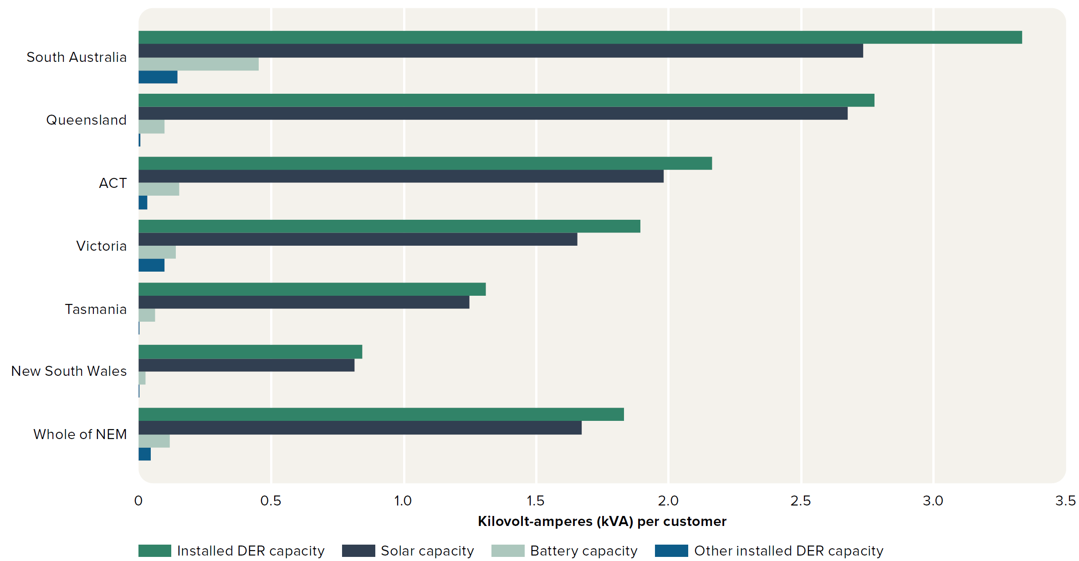
Total |  |  | Installed DER capacity | Solar capacity | Battery capacity | Other installed DER capacity | Network customers
 | Total | Whole of NEM | 20,074,927 kVA | 18,328,503 kVA | 1,263,058 kVA | 483,428 kVA | 10,972,559 kVA
 |  | Tasmania | 402,203 kVA | 383,079 kVA | 18,897 kVA | 231 kVA | 307,118 kVA
 |  | ACT | 488,110 kVA | 446,448 kVA | 34,695 kVA | 6,969 kVA | 225,475 kVA
 |  | South Australia | 3,151,168 kVA | 2,585,754 kVA | 427,916 kVA | 137,520 kVA | 945,709 kVA
 |  | New South Wales | 3,262,607 kVA | 3,148,141 kVA | 101,466 kVA | 13,010 kVA | 3,870,969 kVA
 |  | Victoria | 6,082,292 kVA | 5,318,490 kVA | 448,558 kVA | 315,246 kVA | 3,212,791 kVA
 |  | Queensland | 6,688,546 kVA | 6,446,591 kVA | 231,525 kVA | 10,453 kVA | 2,410,497 kVA

Per customer |  |  | Installed DER capacity | Solar capacity | Battery capacity | Other installed DER capacity | Network customers
 | Per customer | Whole of NEM | 1.83 kVA | 1.67 kVA | 0.115 kVA | 0.044 kVA | 10,972,559
 |  | New South Wales | 0.843 kVA | 0.813 kVA | 0.026 kVA | 0.003 kVA | 3,870,969
 |  | Tasmania | 1.31 kVA | 1.247 kVA | 0.062 kVA | 0.001 kVA | 307,118
 |  | Victoria | 1.893 kVA | 1.655 kVA | 0.14 kVA | 0.098 kVA | 3,212,791
 |  | ACT | 2.165 kVA | 1.98 kVA | 0.154 kVA | 0.031 kVA | 225,475
 |  | Queensland | 2.775 kVA | 2.674 kVA | 0.096 kVA | 0.004 kVA | 2,410,497
 |  | South Australia | 3.332 kVA | 2.734 kVA | 0.452 kVA | 0.145 kVA | 945,709

Figure 6.13
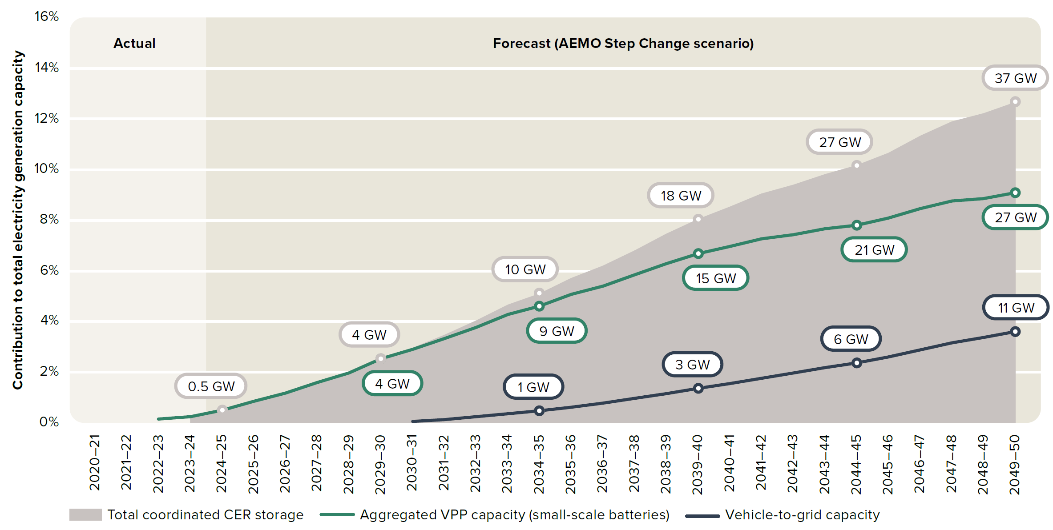
To contents page
Figure 6.13 – AEMO's modelled coordinated consumer energy resources contribution to electricity generation capacity

Note: GW: gigawatts.
Source: AEMO, 2024 Integrated System Plan, June 2024.

 |  | 2020–21 | 2021–22 | 2022–23 | 2023–24 | 2024–25 | 2025–26 | 2026–27 | 2027–28 | 2028–29 | 2029–30 | 2030–31 | 2031–32 | 2032–33 | 2033–34 | 2034–35 | 2035–36 | 2036–37 | 2037–38 | 2038–39 | 2039–40 | 2040–41 | 2041–42 | 2042–43 | 2043–44 | 2044–45 | 2045–46 | 2046–47 | 2047–48 | 2048–49 | 2049–50
 | Total coordinated CER storage |  |  |  | 0% | 1% | 1% | 1% | 2% | 2% | 3% | 3% | 3% | 4% | 5% | 5% | 6% | 6% | 7% | 7% | 8% | 9% | 9% | 9% | 10% | 10% | 11% | 11% | 12% | 12% | 13%
 | Coordinated CER storage (line) |  |  |  | 0% | 1% | 1% | 1% | 2% | 2% | 3% | 3% | 3% | 4% | 5% | 5% | 6% | 6% | 7% | 7% | 8% | 9% | 9% | 9% | 10% | 10% | 11% | 11% | 12% | 12% | 13%
 | Aggregated VPP capacity (small-scale batteries) |  |  | 0% | 0% | 0% | 1% | 1% | 2% | 2% | 3% | 3% | 3% | 4% | 4% | 5% | 5% | 5% | 6% | 6% | 7% | 7% | 7% | 7% | 8% | 8% | 8% | 8% | 9% | 9% | 9%
 | Vehicle-to-grid capacity |  |  |  |  |  |  |  |  |  |  | 0% | 0% | 0% | 0% | 0% | 1% | 1% | 1% | 1% | 1% | 2% | 2% | 2% | 2% | 2% | 3% | 3% | 3% | 3% | 4%
 | Forecast divider |  |  | 16% |  | 16% | 16% | 16% | 16% | 16% | 16% | 16% | 16% | 16% | 16% | 16% | 16% | 16% | 16% | 16% | 16% | 16% | 16% | 16% | 16% | 16% | 16% | 16% | 16% | 16% | 16%

 | Total coordinated CER storage |  |  |  | 0 GW | 0.5 GW | 1 GW | 1 GW | 2 GW | 3 GW | 4 GW | 5 GW | 6 GW | 7 GW | 8 GW | 10 GW | 11 GW | 13 GW | 15 GW | 16 GW | 18 GW | 20 GW | 21 GW | 23 GW | 25 GW | 27 GW | 29 GW | 31 GW | 33 GW | 35 GW | 37 GW
 | Aggregated VPP capacity (small-scale batteries) |  |  | 0 GW | 0 GW | 0 GW | 1 GW | 1 GW | 2 GW | 3 GW | 4 GW | 5 GW | 6 GW | 7 GW | 8 GW | 9 GW | 10 GW | 11 GW | 13 GW | 14 GW | 15 GW | 16 GW | 17 GW | 18 GW | 20 GW | 21 GW | 22 GW | 23 GW | 24 GW | 26 GW | 27 GW
 | Vehicle-to-grid capacity |  |  | GW | GW | GW | GW | GW | GW | GW | GW | 0 GW | 0 GW | 0 GW | 1 GW | 1 GW | 1 GW | 2 GW | 2 GW | 3 GW | 3 GW | 4 GW | 4 GW | 5 GW | 6 GW | 6 GW | 7 GW | 8 GW | 9 GW | 10 GW | 11 GW

Figure 6.14
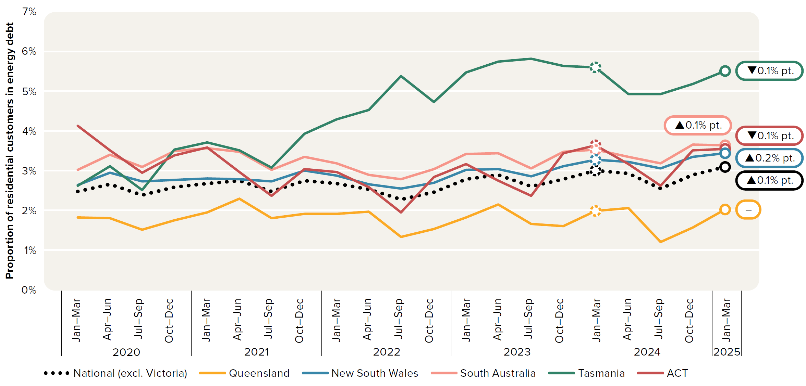
To contents page
Figure 6.14 – Residential electricity and gas customers in energy debt

Note: Based on electricity and gas customers with an amount owing to a retailer that has been outstanding for 90 days or more. Excludes customers that have entered into hardship programs.
Source: AER, Quarterly retail performance report, Q3 2024–25, June 2025.

 |  | 2019 |  | 2020 |  |  |  | 2021 |  |  |  | 2022 |  |  |  | 2023 |  |  |  | 2024 |  |  |  | 2025
 |  | Jul–Sep | Oct–Dec | Jan–Mar | Apr–Jun | Jul–Sep | Oct–Dec | Jan–Mar | Apr–Jun | Jul–Sep | Oct–Dec | Jan–Mar | Apr–Jun | Jul–Sep | Oct–Dec | Jan–Mar | Apr–Jun | Jul–Sep | Oct–Dec | Jan–Mar | Apr–Jun | Jul–Sep | Oct–Dec | Jan–Mar
 | Queensland | 1.6% | 1.7% | 1.8% | 1.8% | 1.5% | 1.8% | 1.9% | 2.3% | 1.8% | 1.9% | 1.9% | 2.0% | 1.3% | 1.5% | 1.8% | 2.1% | 1.7% | 1.6% | 2.0% | 2.1% | 1.2% | 1.6% | 2.0%
 | New South Wales | 2.2% | 2.4% | 2.6% | 2.9% | 2.7% | 2.8% | 2.8% | 2.8% | 2.7% | 3.0% | 2.9% | 2.7% | 2.5% | 2.7% | 3.0% | 3.0% | 2.8% | 3.1% | 3.3% | 3.2% | 3.0% | 3.3% | 3.4%
 | South Australia | 2.5% | 2.8% | 3.0% | 3.4% | 3.1% | 3.5% | 3.6% | 3.5% | 3.0% | 3.3% | 3.2% | 2.9% | 2.8% | 3.0% | 3.4% | 3.4% | 3.1% | 3.5% | 3.5% | 3.3% | 3.2% | 3.7% | 3.6%
 | Tasmania | 1.6% | 2.4% | 2.6% | 3.1% | 2.5% | 3.5% | 3.7% | 3.5% | 3.1% | 3.9% | 4.3% | 4.5% | 5.4% | 4.7% | 5.5% | 5.7% | 5.8% | 5.6% | 5.6% | 4.9% | 4.9% | 5.2% | 5.5%
 | ACT | 3.4% | 3.9% | 4.1% | 3.5% | 2.9% | 3.4% | 3.6% | 3.0% | 2.4% | 3.0% | 3.0% | 2.6% | 1.9% | 2.8% | 3.2% | 2.7% | 2.4% | 3.4% | 3.6% | 3.2% | 2.6% | 3.5% | 3.5%
 | National (excl. Victoria) | 2.1% | 2.3% | 2.5% | 2.7% | 2.4% | 2.6% | 2.7% | 2.7% | 2.5% | 2.7% | 2.7% | 2.5% | 2.3% | 2.4% | 2.8% | 2.9% | 2.6% | 2.8% | 3.0% | 2.9% | 2.5% | 2.9% | 3.1%

Figure 6.15
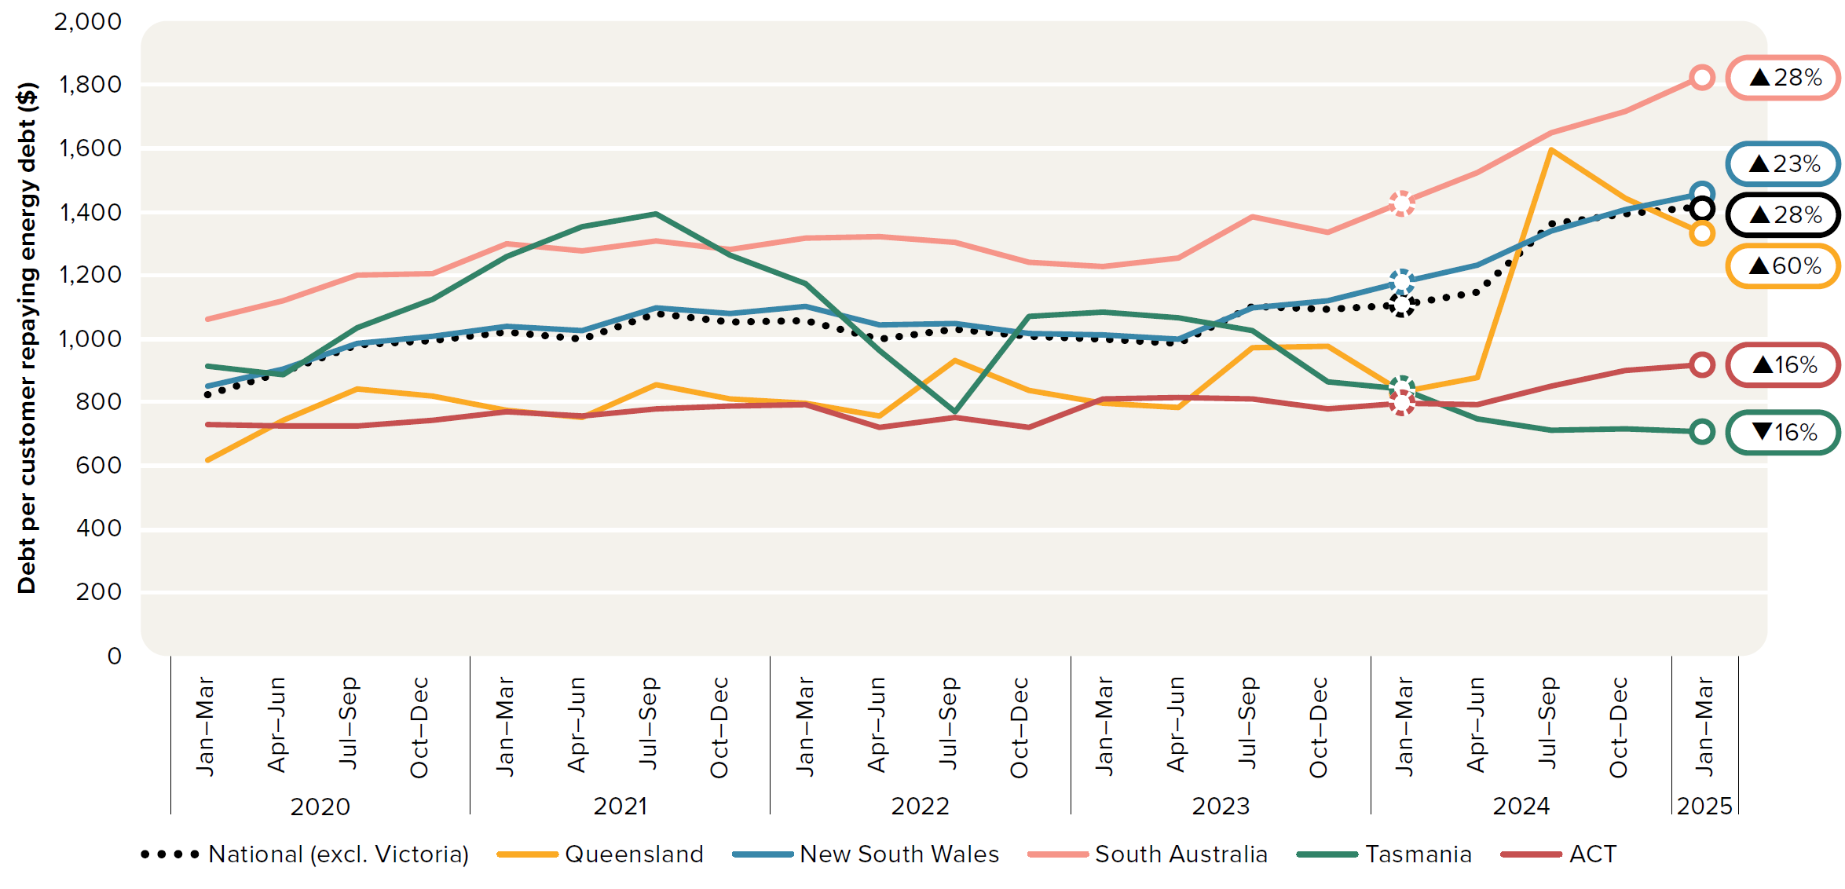
To contents page
Figure 6.15 – Average debt per residential customer repaying energy debt

Note: Based on electricity and gas customers with an amount owing to a retailer that has been outstanding for 90 days or more. Excludes customers that have entered into hardship programs.
Source: AER, Quarterly retail performance report, Q3 2024–25, June 2025.

 |  | 2019 |  | 2020 |  |  |  | 2021 |  |  |  | 2022 |  |  |  | 2023 |  |  |  | 2024 |  |  |  | 2025
 |  | Jul–Sep | Oct–Dec | Jan–Mar | Apr–Jun | Jul–Sep | Oct–Dec | Jan–Mar | Apr–Jun | Jul–Sep | Oct–Dec | Jan–Mar | Apr–Jun | Jul–Sep | Oct–Dec | Jan–Mar | Apr–Jun | Jul–Sep | Oct–Dec | Jan–Mar | Apr–Jun | Jul–Sep | Oct–Dec | Jan–Mar
 | Queensland | $665 | $620 | $619 | $743 | $843 | $819 | $775 | $751 | $857 | $812 | $798 | $755 | $933 | $837 | $795 | $784 | $971 | $975 | $834 | $877 | $1,598 | $1,444 | $1,335
 | New South Wales | $828 | $818 | $853 | $906 | $984 | $1,009 | $1,041 | $1,028 | $1,097 | $1,081 | $1,100 | $1,046 | $1,047 | $1,017 | $1,014 | $1,001 | $1,099 | $1,120 | $1,180 | $1,231 | $1,341 | $1,406 | $1,455
 | South Australia | $1,037 | $991 | $1,063 | $1,119 | $1,199 | $1,205 | $1,301 | $1,277 | $1,307 | $1,283 | $1,317 | $1,321 | $1,303 | $1,242 | $1,227 | $1,256 | $1,387 | $1,336 | $1,429 | $1,522 | $1,649 | $1,719 | $1,825
 | Tasmania | $936 | $893 | $914 | $886 | $1,036 | $1,123 | $1,260 | $1,355 | $1,395 | $1,264 | $1,173 | $961 | $770 | $1,070 | $1,083 | $1,067 | $1,024 | $863 | $844 | $750 | $714 | $716 | $705
 | ACT | $722 | $711 | $731 | $726 | $726 | $744 | $770 | $757 | $778 | $786 | $794 | $722 | $753 | $721 | $809 | $815 | $810 | $780 | $795 | $792 | $851 | $901 | $919
 | National (excl. Victoria) | $818 | $796 | $826 | $897 | $983 | $996 | $1,023 | $1,000 | $1,078 | $1,052 | $1,058 | $997 | $1,031 | $1,009 | $999 | $986 | $1,100 | $1,094 | $1,106 | $1,148 | $1,364 | $1,395 | $1,415

Figure 6.16
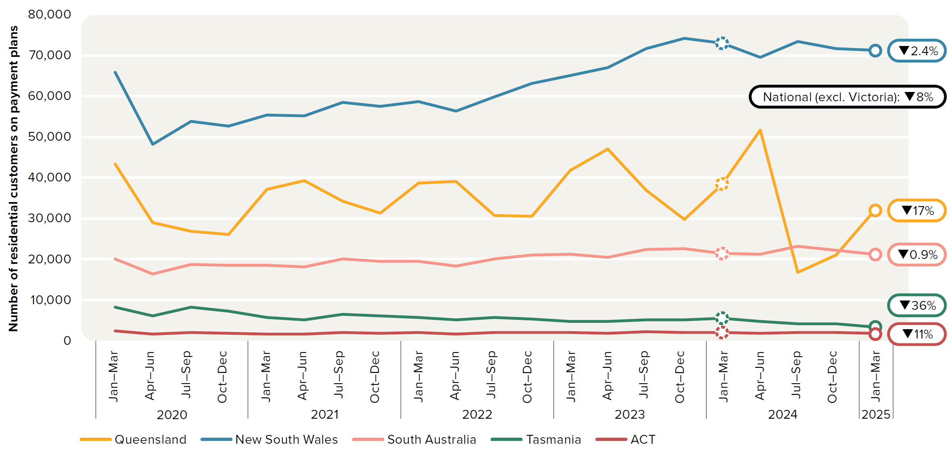
To contents page
Figure 6.16 – Residential electricity and gas customers on payment plans

Source: AER, Quarterly retail performance report, Q3 2024–25, June 2025.

 |  | 2019 |  | 2020 |  |  |  | 2021 |  |  |  | 2022 |  |  |  | 2023 |  |  |  | 2024 |  |  |  | 2025
 |  | Jul–Sep | Oct–Dec | Jan–Mar | Apr–Jun | Jul–Sep | Oct–Dec | Jan–Mar | Apr–Jun | Jul–Sep | Oct–Dec | Jan–Mar | Apr–Jun | Jul–Sep | Oct–Dec | Jan–Mar | Apr–Jun | Jul–Sep | Oct–Dec | Jan–Mar | Apr–Jun | Jul–Sep | Oct–Dec | Jan–Mar
 | Queensland | 39,331 | 30,295 | 43,385 | 29,074 | 26,757 | 26,081 | 37,084 | 39,313 | 34,183 | 31,262 | 38,638 | 39,038 | 30,804 | 30,470 | 41,852 | 47,147 | 36,883 | 29,795 | 38,240 | 51,705 | 16,746 | 21,096 | 31,676
 | New South Wales | 92,931 | 40,395 | 65,876 | 48,293 | 53,819 | 52,767 | 55,455 | 55,133 | 58,456 | 57,484 | 58,652 | 56,366 | 59,968 | 63,095 | 65,067 | 67,082 | 71,694 | 74,298 | 73,177 | 69,658 | 73,569 | 71,831 | 71,401
 | South Australia | 25,633 | 17,772 | 20,016 | 16,294 | 18,659 | 18,413 | 18,562 | 18,123 | 20,006 | 19,416 | 19,441 | 18,349 | 20,106 | 21,059 | 21,186 | 20,483 | 22,380 | 22,657 | 21,394 | 21,189 | 23,227 | 22,232 | 21,207
 | Tasmania | 9,804 | 10,390 | 8,228 | 6,090 | 8,199 | 7,163 | 5,642 | 5,116 | 6,473 | 6,117 | 5,729 | 5,045 | 5,709 | 5,275 | 4,651 | 4,617 | 5,151 | 5,156 | 5,377 | 4,697 | 4,193 | 4,149 | 3,425
 | ACT | 3,661 | 2,317 | 2,344 | 1,542 | 2,046 | 1,700 | 1,668 | 1,605 | 1,882 | 1,732 | 1,904 | 1,621 | 1,940 | 1,924 | 1,956 | 1,802 | 2,155 | 2,036 | 2,002 | 1,798 | 1,993 | 1,972 | 1,789
 | National (excl. Victoria) | 171,360 | 101,169 | 139,849 | 101,293 | 109,480 | 106,124 | 118,411 | 119,290 | 121,000 | 116,011 | 124,364 | 120,419 | 118,527 | 121,823 | 134,712 | 141,131 | 138,263 | 133,942 | 140,190 | 149,047 | 119,728 | 121,280 | 129,498

Figure 6.17
To contents page
Figure 6.17 – Residential electricity customers on hardship programs

Source: AER, Quarterly retail performance report, Q3 2024–25, June 2025.

 |  | 2019 |  | 2020 |  |  |  | 2021 |  |  |  | 2022 |  |  |  | 2023 |  |  |  | 2024 |  |  |  | 2025
 |  | Jul–Sep | Oct–Dec | Jan–Mar | Apr–Jun | Jul–Sep | Oct–Dec | Jan–Mar | Apr–Jun | Jul–Sep | Oct–Dec | Jan–Mar | Apr–Jun | Jul–Sep | Oct–Dec | Jan–Mar | Apr–Jun | Jul–Sep | Oct–Dec | Jan–Mar | Apr–Jun | Jul–Sep | Oct–Dec | Jan–Mar
 | Queensland | 1% | 1% | 1% | 1% | 1% | 1% | 1% | 1% | 1% | 1% | 1% | 1% | 1% | 1% | 1% | 1% | 1% | 1% | 1% | 2% | 1% | 1% | 1%
 | New South Wales | 1% | 1% | 1% | 1% | 1% | 1% | 1% | 1% | 1% | 1% | 1% | 1% | 1% | 1% | 1% | 1% | 2% | 2% | 2% | 2% | 2% | 2% | 2%
 | South Australia | 2% | 2% | 2% | 2% | 2% | 2% | 2% | 2% | 2% | 2% | 2% | 2% | 2% | 2% | 2% | 2% | 2% | 2% | 2% | 2% | 2% | 2% | 2%
 | Tasmania | 2% | 2% | 2% | 2% | 2% | 2% | 2% | 2% | 2% | 2% | 2% | 2% | 2% | 2% | 2% | 2% | 2% | 2% | 2% | 2% | 2% | 3% | 3%
 | ACT | 1% | 1% | 1% | 1% | 1% | 1% | 1% | 1% | 1% | 1% | 1% | 1% | 1% | 1% | 1% | 1% | 1% | 1% | 1% | 1% | 1% | 1% | 1%
 | National (excl. Victoria) | 1% | 1% | 1% | 1% | 1% | 1% | 1% | 1% | 1% | 1% | 1% | 1% | 1% | 1% | 1% | 1% | 2% | 2% | 2% | 2% | 2% | 2% | 2%

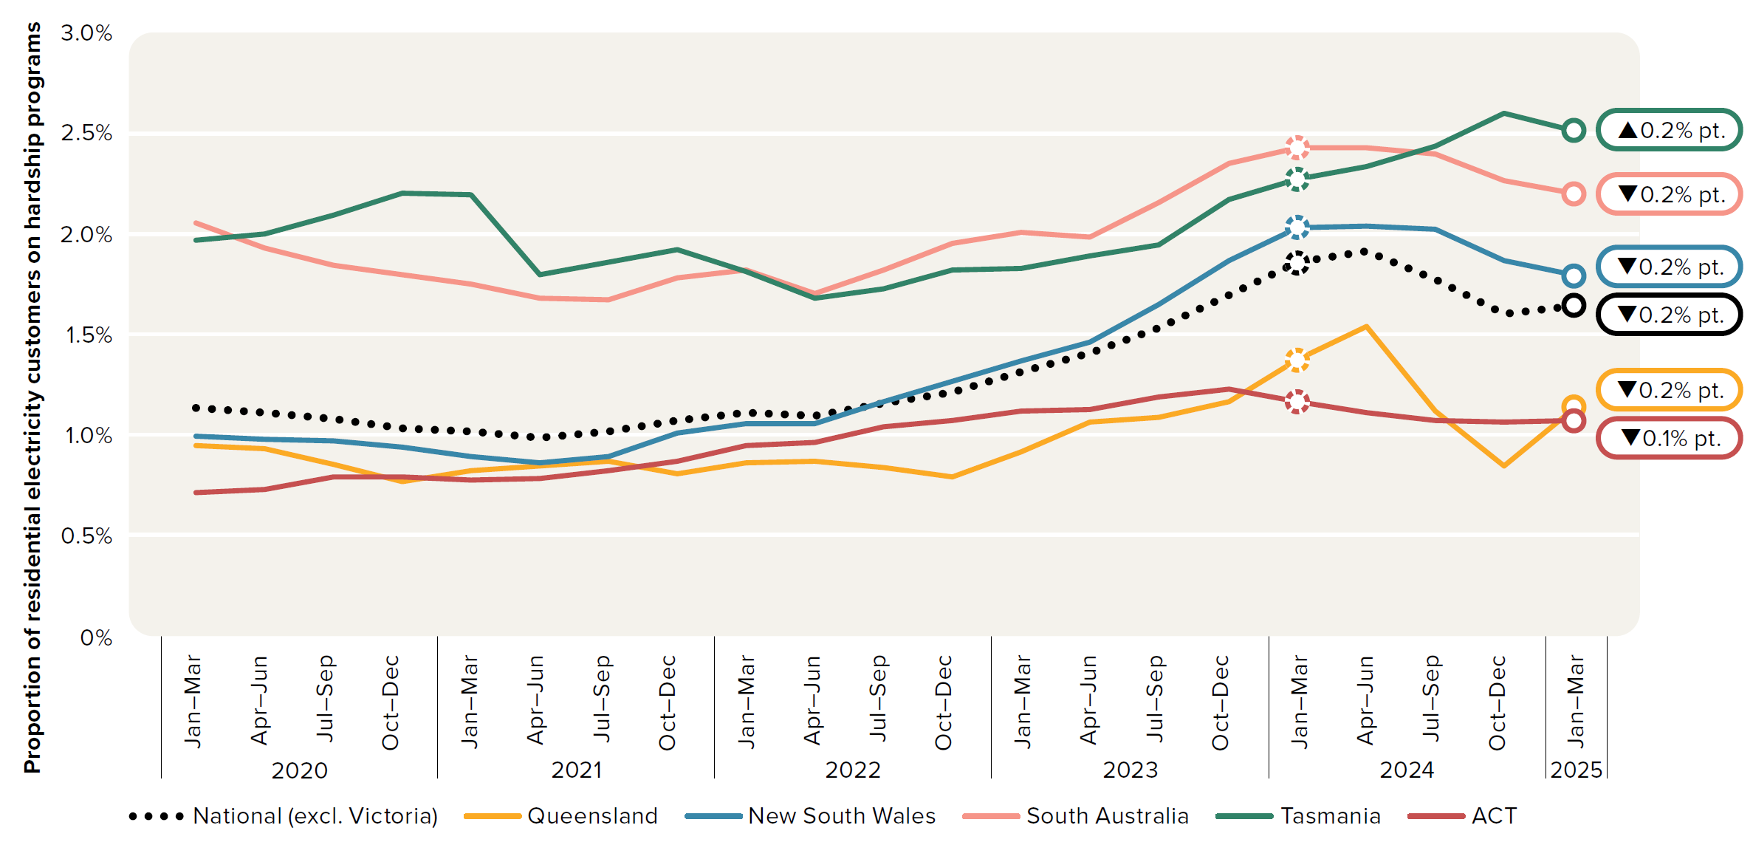

 |  | Customers

 |  | Column Labels
 |  | 2019-20 |  |  |  | 2020-21 |  |  |  | 2021-22 |  |  |  | 2022-23

Figure 6.18
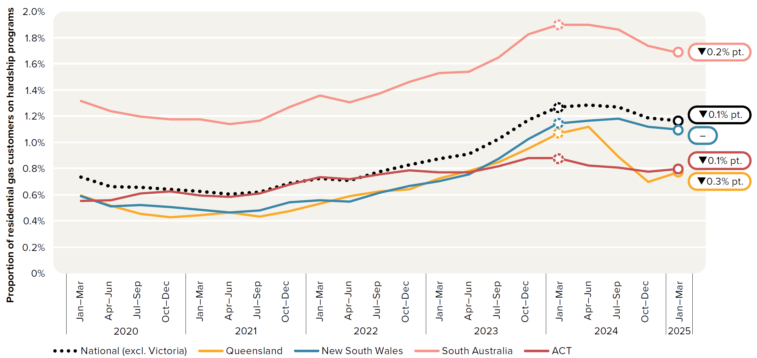
To contents page
Figure 6.18 – Residential gas customers on hardship programs

Source: AER, Quarterly retail performance report, Q3 2024–25, June 2025.

 |  | 2019 |  | 2020 |  |  |  | 2021 |  |  |  | 2022 |  |  |  | 2023 |  |  |  | 2024 |  |  |  | 2025
 |  | Jul–Sep | Oct–Dec | Jan–Mar | Apr–Jun | Jul–Sep | Oct–Dec | Jan–Mar | Apr–Jun | Jul–Sep | Oct–Dec | Jan–Mar | Apr–Jun | Jul–Sep | Oct–Dec | Jan–Mar | Apr–Jun | Jul–Sep | Oct–Dec | Jan–Mar | Apr–Jun | Jul–Sep | Oct–Dec | Jan–Mar
 | Queensland | 0.6% | 0.6% | 0.6% | 0.5% | 0.5% | 0.4% | 0.4% | 0.5% | 0.4% | 0.5% | 0.5% | 0.6% | 0.6% | 0.6% | 0.7% | 0.8% | 0.9% | 1.0% | 1.1% | 1.1% | 0.9% | 0.7% | 0.8%
 | New South Wales | 0.5% | 0.6% | 0.6% | 0.5% | 0.5% | 0.5% | 0.5% | 0.5% | 0.5% | 0.5% | 0.6% | 0.5% | 0.6% | 0.7% | 0.7% | 0.8% | 0.9% | 1.0% | 1.1% | 1.2% | 1.2% | 1.1% | 1.1%
 | South Australia | 1.3% | 1.4% | 1.3% | 1.2% | 1.2% | 1.2% | 1.2% | 1.1% | 1.2% | 1.3% | 1.4% | 1.3% | 1.4% | 1.5% | 1.5% | 1.5% | 1.7% | 1.8% | 1.9% | 1.9% | 1.9% | 1.7% | 1.7%
 | ACT | 0.6% | 0.6% | 0.6% | 0.6% | 0.6% | 0.6% | 0.6% | 0.6% | 0.6% | 0.7% | 0.7% | 0.7% | 0.8% | 0.8% | 0.8% | 0.8% | 0.8% | 0.9% | 0.9% | 0.8% | 0.8% | 0.8% | 0.8%
 | National (excl. Victoria) | 0.7% | 0.8% | 0.7% | 0.7% | 0.7% | 0.6% | 0.6% | 0.6% | 0.6% | 0.7% | 0.7% | 0.7% | 0.8% | 0.8% | 0.9% | 0.9% | 1.0% | 1.2% | 1.3% | 1.3% | 1.3% | 1.2% | 1.2%

Figure 6.19
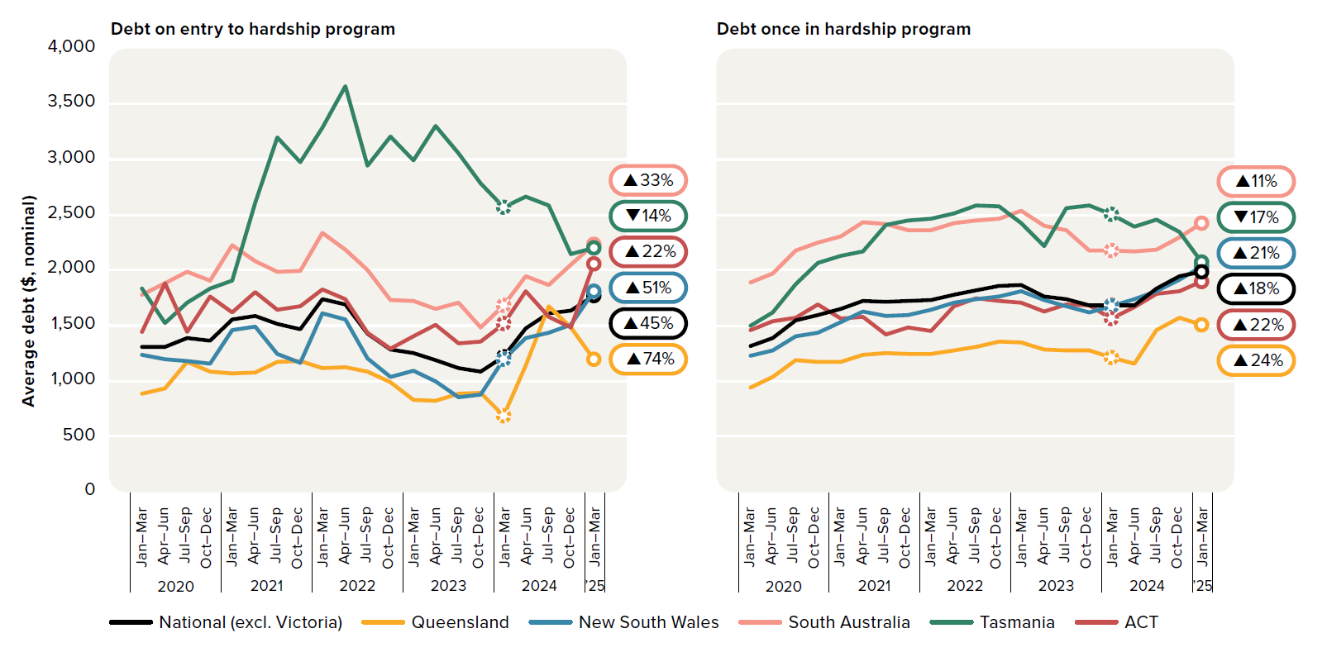
To contents page
Figure 6.19 – Average hardship debt – residential electricity customers

Source: AER, Quarterly retail performance report, Q3 2024–25, June 2025.

 |  |  | 2019 |  | 2020 |  |  |  | 2021 |  |  |  | 2022 |  |  |  | 2023 |  |  |  | 2024 |  |  |  | 2025
 |  |  | Jul–Sep | Oct–Dec | Jan–Mar | Apr–Jun | Jul–Sep | Oct–Dec | Jan–Mar | Apr–Jun | Jul–Sep | Oct–Dec | Jan–Mar | Apr–Jun | Jul–Sep | Oct–Dec | Jan–Mar | Apr–Jun | Jul–Sep | Oct–Dec | Jan–Mar | Apr–Jun | Jul–Sep | Oct–Dec | Jan–Mar
 | Debt on entry to hardship program | ACT | $1,422 | $1,396 | $1,445 | $1,886 | $1,446 | $1,766 | $1,618 | $1,806 | $1,647 | $1,676 | $1,831 | $1,740 | $1,435 | $1,297 | $1,403 | $1,508 | $1,341 | $1,354 | $1,520 | $1,810 | $1,579 | $1,485 | $2,060
 |  | New South Wales | $1,138 | $1,145 | $1,239 | $1,197 | $1,182 | $1,161 | $1,459 | $1,493 | $1,246 | $1,167 | $1,614 | $1,558 | $1,205 | $1,037 | $1,090 | $996 | $855 | $881 | $1,196 | $1,389 | $1,434 | $1,507 | $1,811
 |  | Queensland | $990 | $930 | $887 | $932 | $1,171 | $1,085 | $1,071 | $1,080 | $1,177 | $1,182 | $1,117 | $1,123 | $1,088 | $989 | $831 | $822 | $886 | $897 | $691 | $1,138 | $1,679 | $1,481 | $1,202
 |  | South Australia | $1,604 | $1,701 | $1,777 | $1,884 | $1,984 | $1,909 | $2,226 | $2,084 | $1,987 | $1,997 | $2,337 | $2,185 | $2,000 | $1,733 | $1,727 | $1,655 | $1,710 | $1,488 | $1,685 | $1,950 | $1,868 | $2,054 | $2,238
 |  | Tasmania | $1,727 | $1,784 | $1,833 | $1,526 | $1,711 | $1,837 | $1,911 | $2,609 | $3,202 | $2,976 | $3,287 | $3,662 | $2,942 | $3,205 | $2,993 | $3,305 | $3,053 | $2,786 | $2,572 | $2,667 | $2,583 | $2,149 | $2,205
 |  | National (excl. Victoria) | $1,249 | $1,262 | $1,306 | $1,306 | $1,389 | $1,367 | $1,558 | $1,586 | $1,517 | $1,468 | $1,741 | $1,692 | $1,430 | $1,288 | $1,256 | $1,193 | $1,120 | $1,085 | $1,223 | $1,476 | $1,614 | $1,633 | $1,775
 |  |  |  |  |  |  |  |  |  |  |  |  |  |  |  |  |  |  |  |  |  |  |  |  |  | 4000 | 4001 | 4002 | 4003 | 4004 | 4005 | 4006 | 4007 | 4008 | 4009 | 4010 | 4011 | 4012 | 4013 | 4014 | 4015 | 4016 | 4017 | 4018 | 4019 | 4020 | 4021 | 4022 | 4023
 | Debt once in hardship program | ACT | $1,699 | $1,619 | $1,461 | $1,543 | $1,576 | $1,694 | $1,563 | $1,580 | $1,423 | $1,486 | $1,454 | $1,680 | $1,747 | $1,727 | $1,705 | $1,626 | $1,694 | $1,685 | $1,561 | $1,671 | $1,784 | $1,813 | $1,897
 |  | New South Wales | $1,253 | $1,174 | $1,231 | $1,274 | $1,406 | $1,436 | $1,532 | $1,630 | $1,586 | $1,597 | $1,648 | $1,712 | $1,739 | $1,764 | $1,811 | $1,735 | $1,673 | $1,618 | $1,677 | $1,740 | $1,809 | $1,916 | $2,035
 |  | Queensland | $1,044 | $946 | $945 | $1,042 | $1,186 | $1,171 | $1,174 | $1,239 | $1,252 | $1,249 | $1,244 | $1,274 | $1,307 | $1,361 | $1,350 | $1,288 | $1,275 | $1,277 | $1,211 | $1,157 | $1,461 | $1,571 | $1,507
 |  | South Australia | $1,942 | $1,784 | $1,888 | $1,970 | $2,178 | $2,249 | $2,304 | $2,438 | $2,419 | $2,364 | $2,364 | $2,424 | $2,448 | $2,465 | $2,534 | $2,402 | $2,359 | $2,182 | $2,178 | $2,174 | $2,184 | $2,298 | $2,428
 |  | Tasmania | $1,508 | $1,531 | $1,498 | $1,624 | $1,878 | $2,069 | $2,134 | $2,171 | $2,407 | $2,449 | $2,469 | $2,511 | $2,583 | $2,579 | $2,427 | $2,216 | $2,561 | $2,584 | $2,506 | $2,394 | $2,454 | $2,346 | $2,077
 |  | National (excl. Victoria) | $1,383 | $1,286 | $1,320 | $1,387 | $1,549 | $1,600 | $1,649 | $1,726 | $1,713 | $1,721 | $1,734 | $1,780 | $1,821 | $1,860 | $1,871 | $1,762 | $1,742 | $1,685 | $1,682 | $1,687 | $1,833 | $1,947 | $1,984

Figure 6.20
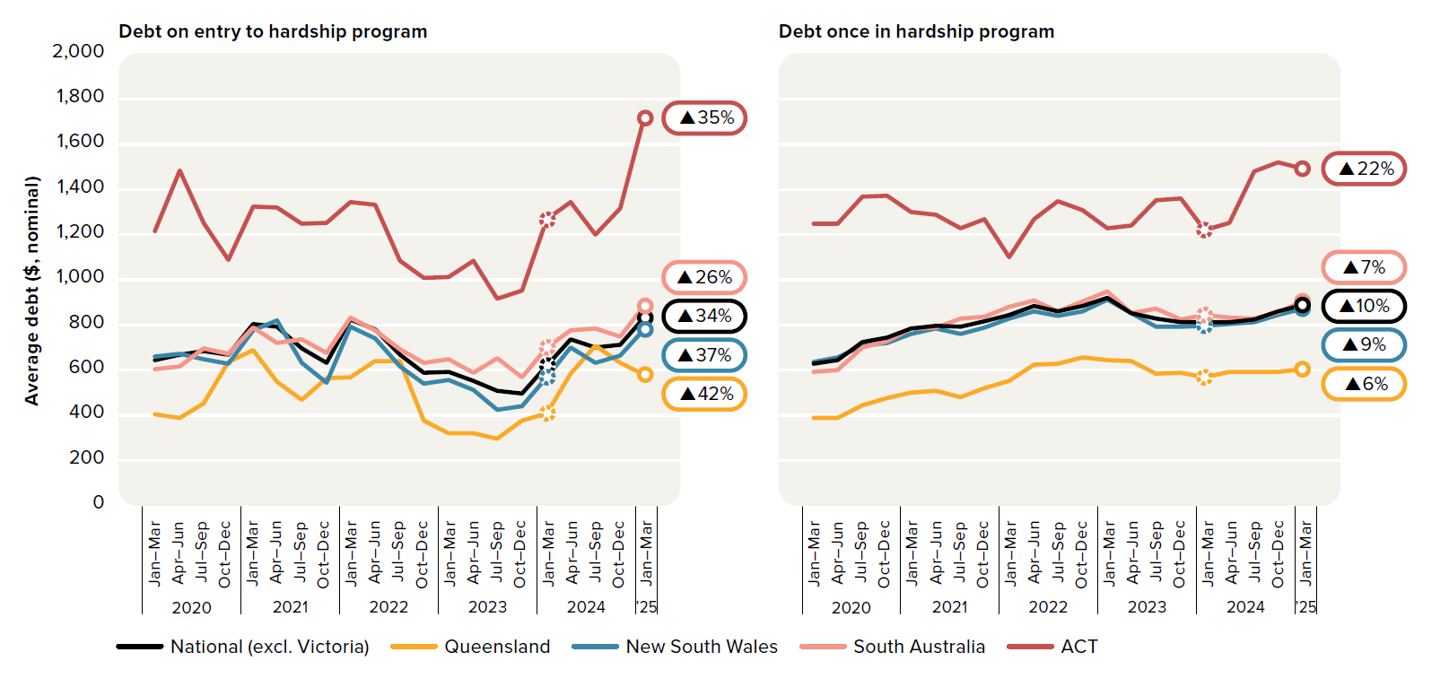
To contents page
Figure 6.20 – Average hardship debt - residential gas customers

Source: AER, Quarterly retail performance report, Q3 2024–25, June 2025.

 |  |  | 2019 |  | 2020 |  |  |  | 2021 |  |  |  | 2022 |  |  |  | 2023 |  |  |  | 2024 |  |  |  | 2025
 |  |  | Jul–Sep | Oct–Dec | Jan–Mar | Apr–Jun | Jul–Sep | Oct–Dec | Jan–Mar | Apr–Jun | Jul–Sep | Oct–Dec | Jan–Mar | Apr–Jun | Jul–Sep | Oct–Dec | Jan–Mar | Apr–Jun | Jul–Sep | Oct–Dec | Jan–Mar | Apr–Jun | Jul–Sep | Oct–Dec | Jan–Mar
 | Debt on entry to hardship program | ACT | $1,294 | $1,103 | $1,217 | $1,485 | $1,251 | $1,087 | $1,323 | $1,318 | $1,248 | $1,253 | $1,344 | $1,331 | $1,082 | $1,007 | $1,012 | $1,084 | $916 | $951 | $1,266 | $1,342 | $1,200 | $1,315 | $1,714
 |  | New South Wales | $585 | $581 | $661 | $671 | $649 | $627 | $775 | $819 | $633 | $544 | $793 | $742 | $615 | $542 | $556 | $513 | $425 | $440 | $569 | $699 | $634 | $666 | $782
 |  | Queensland | $489 | $450 | $404 | $390 | $452 | $635 | $688 | $550 | $467 | $564 | $569 | $640 | $639 | $377 | $321 | $320 | $298 | $378 | $407 | $586 | $707 | $633 | $579
 |  | South Australia | $612 | $562 | $605 | $617 | $696 | $673 | $789 | $721 | $736 | $677 | $832 | $778 | $694 | $633 | $648 | $590 | $653 | $569 | $699 | $776 | $783 | $749 | $884
 |  | National (excl. Victoria) | $624 | $588 | $646 | $670 | $686 | $670 | $805 | $791 | $695 | $634 | $824 | $781 | $670 | $587 | $593 | $551 | $510 | $497 | $622 | $736 | $702 | $711 | $833
 |  |  |  |  |  |  |  |  |  |  |  |  |  |  |  |  |  |  |  |  |  |  |  |  |  | 2000 | 2001 | 2002 | 2003 | 2004 | 2005 | 2006 | 2007 | 2008 | 2009 | 2010 | 2011 | 2012 | 2013 | 2014 | 2015 | 2016 | 2017 | 2018 | 2019 | 2020 | 2021 | 2022 | 2023
 | Debt once in hardship program | ACT | $1,461 | $1,397 | $1,246 | $1,246 | $1,368 | $1,373 | $1,300 | $1,287 | $1,227 | $1,268 | $1,099 | $1,267 | $1,349 | $1,309 | $1,226 | $1,241 | $1,352 | $1,358 | $1,220 | $1,250 | $1,479 | $1,518 | $1,491
 |  | New South Wales | $648 | $607 | $637 | $658 | $710 | $722 | $762 | $786 | $760 | $788 | $829 | $861 | $840 | $859 | $911 | $852 | $792 | $793 | $798 | $804 | $812 | $845 | $873
 |  | Queensland | $493 | $351 | $389 | $390 | $443 | $478 | $501 | $509 | $480 | $522 | $554 | $626 | $628 | $657 | $643 | $639 | $585 | $590 | $569 | $593 | $593 | $592 | $603
 |  | South Australia | $638 | $564 | $592 | $599 | $701 | $728 | $785 | $790 | $828 | $836 | $879 | $907 | $862 | $906 | $948 | $852 | $874 | $826 | $846 | $834 | $828 | $857 | $903
 |  | National (excl. Victoria) | $674 | $608 | $629 | $646 | $725 | $745 | $783 | $796 | $793 | $816 | $845 | $883 | $860 | $885 | $919 | $854 | $827 | $812 | $811 | $812 | $826 | $859 | $888

Figure 6.21
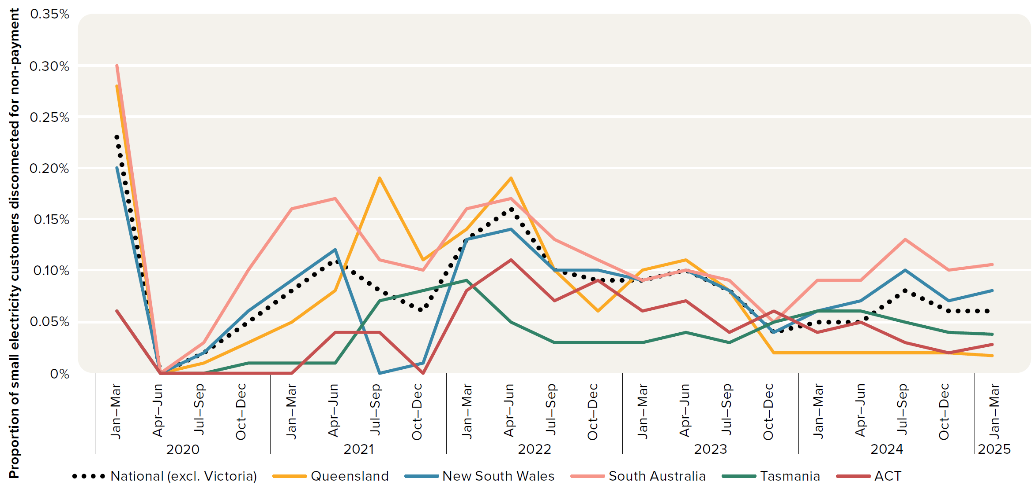
To contents page
Figure 6.21 – Disconnection for failure to pay - small electricity customers

Source: AER, Quarterly retail performance report, Q3 2024–25, June 2025.

 |  | 2019 |  | 2020 |  |  |  | 2021 |  |  |  | 2022 |  |  |  | 2023 |  |  |  | 2024 |  |  |  | 2025
 |  | Jul–Sep | Oct–Dec | Jan–Mar | Apr–Jun | Jul–Sep | Oct–Dec | Jan–Mar | Apr–Jun | Jul–Sep | Oct–Dec | Jan–Mar | Apr–Jun | Jul–Sep | Oct–Dec | Jan–Mar | Apr–Jun | Jul–Sep | Oct–Dec | Jan–Mar | Apr–Jun | Jul–Sep | Oct–Dec | Jan–Mar
 | Queensland | 0.30% | 0.24% | 0.28% | 0.00% | 0.01% | 0.03% | 0.05% | 0.08% | 0.19% | 0.11% | 0.14% | 0.19% | 0.10% | 0.06% | 0.10% | 0.11% | 0.08% | 0.02% | 0.02% | 0.02% | 0.02% | 0.02% | 0.02%
 | New South Wales | 0.19% | 0.16% | 0.20% | 0.00% | 0.02% | 0.06% | 0.09% | 0.12% | 0.00% | 0.01% | 0.13% | 0.14% | 0.10% | 0.10% | 0.09% | 0.10% | 0.08% | 0.04% | 0.06% | 0.07% | 0.10% | 0.07% | 0.08%
 | South Australia | 0.29% | 0.25% | 0.30% | 0.00% | 0.03% | 0.10% | 0.16% | 0.17% | 0.11% | 0.10% | 0.16% | 0.17% | 0.13% | 0.11% | 0.09% | 0.10% | 0.09% | 0.05% | 0.09% | 0.09% | 0.13% | 0.10% | 0.11%
 | Tasmania | 0.06% | 0.05% | 0.06% | 0.00% | 0.00% | 0.01% | 0.01% | 0.01% | 0.07% | 0.08% | 0.09% | 0.05% | 0.03% | 0.03% | 0.03% | 0.04% | 0.03% | 0.05% | 0.06% | 0.06% | 0.05% | 0.04% | 0.04%
 | ACT | 0.09% | 0.06% | 0.06% | 0.00% | 0.00% | 0.00% | 0.00% | 0.04% | 0.04% | 0.00% | 0.08% | 0.11% | 0.07% | 0.09% | 0.06% | 0.07% | 0.04% | 0.06% | 0.04% | 0.05% | 0.03% | 0.02% | 0.03%
 | National (excl. Victoria) | 0.23% | 0.19% | 0.23% | 0.00% | 0.02% | 0.05% | 0.08% | 0.11% | 0.08% | 0.06% | 0.13% | 0.16% | 0.10% | 0.09% | 0.09% | 0.10% | 0.08% | 0.04% | 0.05% | 0.05% | 0.08% | 0.06% | 0.06%

Figure 6.22
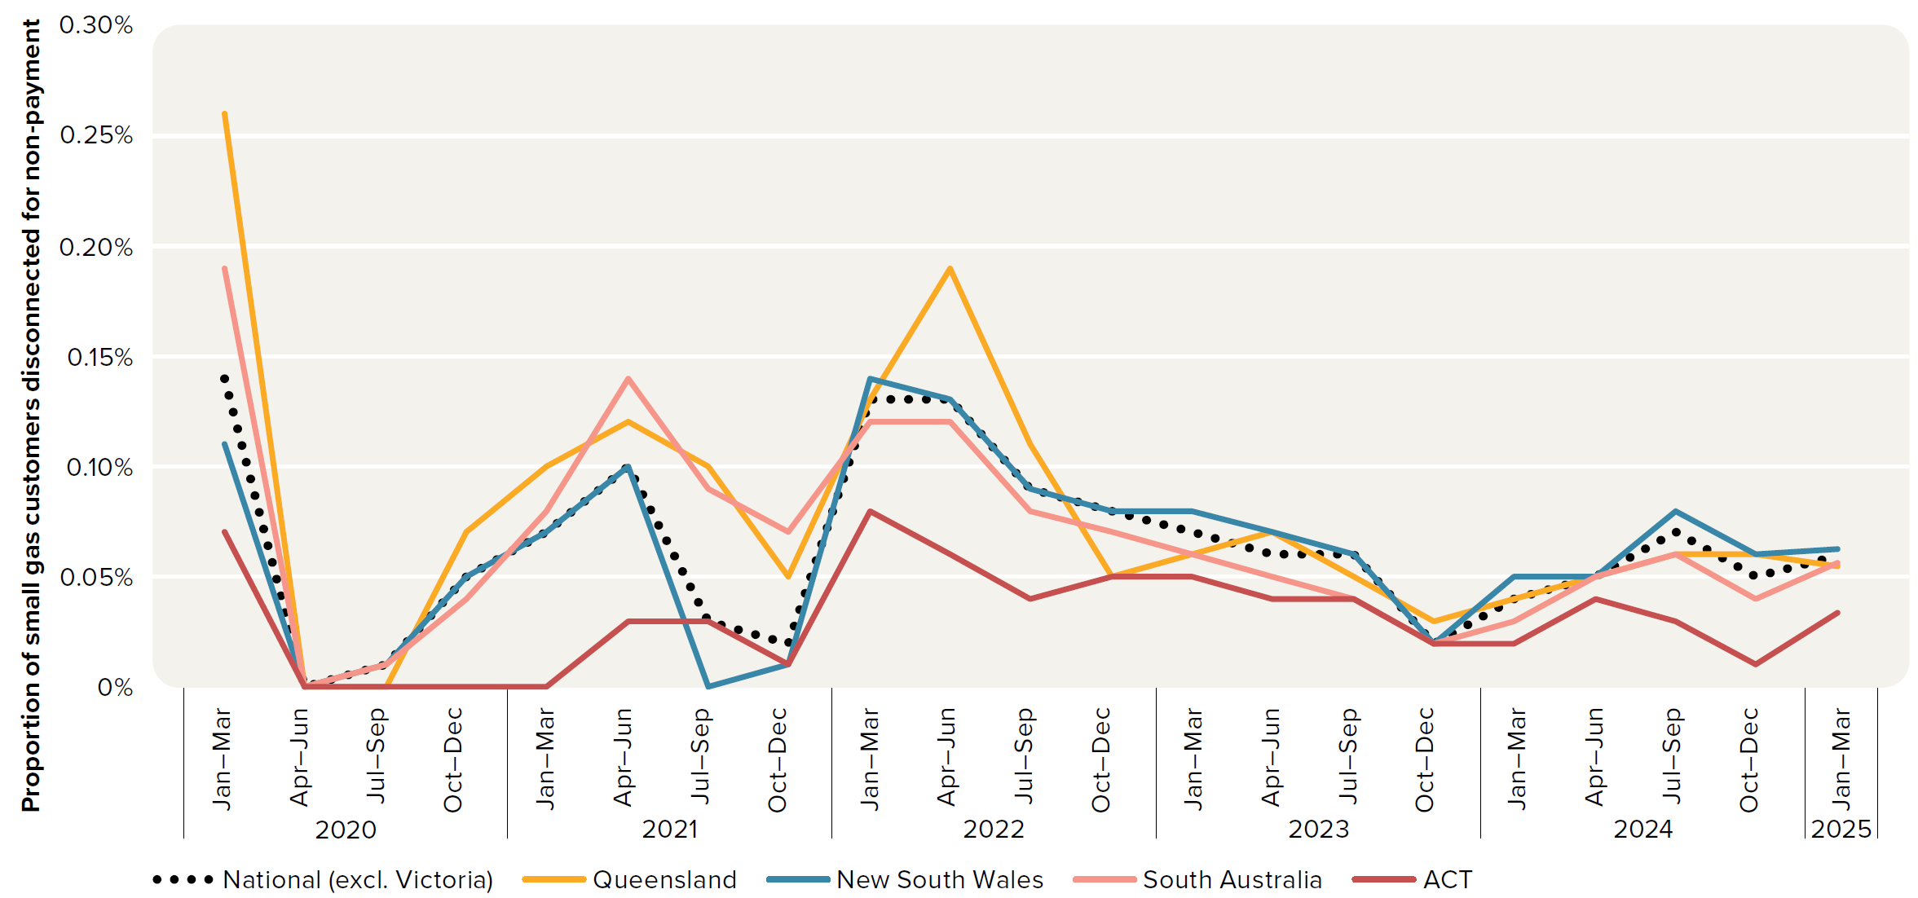
To contents page
Figure 6.22 – Disconnection for failure to pay - small gas customers

Source: AER, Quarterly retail performance report, Q3 2024–25, June 2025.

 |  | 2019 |  | 2020 |  |  |  | 2021 |  |  |  | 2022 |  |  |  | 2023 |  |  |  | 2024 |  |  |  | 2025
 |  | Jul–Sep | Oct–Dec | Jan–Mar | Apr–Jun | Jul–Sep | Oct–Dec | Jan–Mar | Apr–Jun | Jul–Sep | Oct–Dec | Jan–Mar | Apr–Jun | Jul–Sep | Oct–Dec | Jan–Mar | Apr–Jun | Jul–Sep | Oct–Dec | Jan–Mar | Apr–Jun | Jul–Sep | Oct–Dec | Jan–Mar
 | Queensland | 0.20% | 0.17% | 0.26% | 0.00% | 0.00% | 0.07% | 0.10% | 0.12% | 0.10% | 0.05% | 0.13% | 0.19% | 0.11% | 0.05% | 0.06% | 0.07% | 0.05% | 0.03% | 0.04% | 0.05% | 0.06% | 0.06% | 0.06%
 | New South Wales | 0.06% | 0.06% | 0.11% | 0.00% | 0.01% | 0.05% | 0.07% | 0.10% | 0.00% | 0.01% | 0.14% | 0.13% | 0.09% | 0.08% | 0.08% | 0.07% | 0.06% | 0.02% | 0.05% | 0.05% | 0.08% | 0.06% | 0.06%
 | South Australia | 0.18% | 0.15% | 0.19% | 0.00% | 0.01% | 0.04% | 0.08% | 0.14% | 0.09% | 0.07% | 0.12% | 0.12% | 0.08% | 0.07% | 0.06% | 0.05% | 0.04% | 0.02% | 0.03% | 0.05% | 0.06% | 0.04% | 0.06%
 | ACT | 0.08% | 0.11% | 0.07% | 0.00% | 0.00% | 0.00% | 0.00% | 0.03% | 0.03% | 0.01% | 0.08% | 0.06% | 0.04% | 0.05% | 0.05% | 0.04% | 0.04% | 0.02% | 0.02% | 0.04% | 0.03% | 0.01% | 0.03%
 | National (excl. Victoria) | 0.10% | 0.09% | 0.14% | 0.00% | 0.01% | 0.05% | 0.07% | 0.10% | 0.03% | 0.02% | 0.13% | 0.13% | 0.09% | 0.08% | 0.07% | 0.06% | 0.06% | 0.02% | 0.04% | 0.05% | 0.07% | 0.05% | 0.06%

Figure 6.23
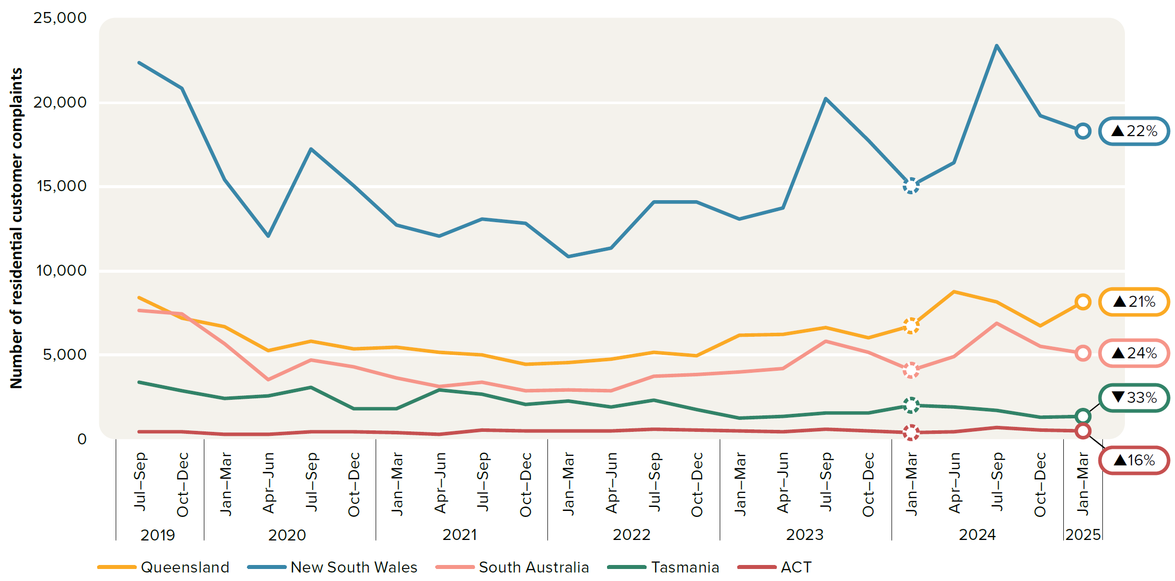
To contents page
Figure 6.23 – Residential customer complaints

Source: AER, Quarterly retail performance report, Q3 2024–25, June 2025.

 |  | 2019 |  | 2020 |  |  |  | 2021 |  |  |  | 2022 |  |  |  | 2023 |  |  |  | 2024 |  |  |  | 2025
 |  | Jul–Sep | Oct–Dec | Jan–Mar | Apr–Jun | Jul–Sep | Oct–Dec | Jan–Mar | Apr–Jun | Jul–Sep | Oct–Dec | Jan–Mar | Apr–Jun | Jul–Sep | Oct–Dec | Jan–Mar | Apr–Jun | Jul–Sep | Oct–Dec | Jan–Mar | Apr–Jun | Jul–Sep | Oct–Dec | Jan–Mar
 | Queensland | 8,430 | 7,180 | 6,702 | 5,244 | 5,812 | 5,363 | 5,475 | 5,178 | 5,005 | 4,442 | 4,529 | 4,736 | 5,177 | 4,966 | 6,189 | 6,229 | 6,653 | 6,046 | 6,734 | 8,770 | 8,155 | 6,749 | 8,163
 | New South Wales | 22,356 | 20,847 | 15,427 | 12,066 | 17,218 | 15,056 | 12,716 | 12,043 | 13,079 | 12,831 | 10,868 | 11,358 | 14,087 | 14,106 | 13,096 | 13,752 | 20,211 | 17,739 | 15,077 | 16,434 | 23,384 | 19,225 | 18,321
 | South Australia | 7,627 | 7,423 | 5,688 | 3,553 | 4,697 | 4,315 | 3,644 | 3,152 | 3,400 | 2,861 | 2,933 | 2,895 | 3,734 | 3,848 | 4,013 | 4,207 | 5,833 | 5,150 | 4,122 | 4,909 | 6,885 | 5,540 | 5,115
 | Tasmania | 3,392 | 2,857 | 2,426 | 2,560 | 3,105 | 1,790 | 1,802 | 2,911 | 2,691 | 2,077 | 2,292 | 1,891 | 2,319 | 1,755 | 1,269 | 1,346 | 1,547 | 1,578 | 2,023 | 1,933 | 1,714 | 1,300 | 1,349
 | ACT | 420 | 441 | 310 | 309 | 446 | 440 | 391 | 307 | 559 | 474 | 512 | 483 | 621 | 532 | 484 | 424 | 608 | 498 | 419 | 464 | 697 | 545 | 484
 | National (excl. Victoria) | 42,225 | 38,748 | 30,553 | 23,732 | 31,278 | 26,964 | 24,028 | 23,591 | 24,734 | 22,685 | 21,134 | 21,363 | 25,938 | 25,207 | 25,051 | 25,958 | 34,852 | 31,011 | 28,375 | 32,510 | 40,835 | 33,359 | 33,432

